3
OPC 012603
FPL RC-16
From Detailed COS ID Income Statement Report
Scenario: Multiple
Actual Year 2013
Account # | Description | Amount | W/P Ref
INC101110 | Steam Power Fuel - Oil Gas, & Coal | 518,333,708 | Tab 5 - B60
INC101210 | Steam Power Fuel - Non Recv Exp | 10,443,794 | Tab 5 - B61
INC118110 | Nuclear Power - Nuclear Fuel Expense | 168,309,387 | Tab 5 - B81
INC118151 | Nuclear Power - Nucl Fuel Exp - Fuel Disposable | 23,710,879 | Tab 5 - B82
INC118180 | Nuclear Power - Plant Recoverable Adjustment |  | N/A
INC118210 | Nuclear Power - Plant Recoverable Adjustment | 11,753,697 | Tab 5 - B84
A
INC147200 | Other Power - Fuel Non Recov Annual Emission | 2,185,631 | Tab 5 - B106
INC147110 | Other Power - Fuel - Oil Gas & Coal | 2,382,126,547 | Tab 5 - B105
INC155110 | Other Power - Purchased Power Interchange | 264,907,836 | Tab 5 - B120
INC155210 | Other Power - Non Recoverable |  | N/A
INC155410 | Other Power - UPS Capacity | 467,644,057 | Tab 5 - B123
INC155431 | Other Power - SJRPP Cap |  | N/A
INC157980 | Other Power - Other Expenses - Deferred | 49,283 | Tab 5 - B129
 | Subtotal Power Cost | 3,849,464,819 | Σ

B
 | Steam Power Generation | 616,904,427 | Tab 5 - B77
 | Nuclear Power Generation | 618,055,535 | Tab 5 - B100
 | Other Power Generation | 3,170,314,068 | Tab 5 - B130
 | Total Power Generation | 4,405,274,030 | Σ

B - A
 | Power Production Expense | 555,809,210

 | Transmission Expenses | 90,853,356 | Tab 5 - B149

 | Distribution Expenses | 265,812,537 | Tab 5 - B174

 | Customer Accounts Expenses | 134,779,439 | Tab 5 - B182

 | Customer Service & Info Expenses | 137,368,688 | Tab 5 - B192

 | Demonstrating & Selling Expenses | 4,581,753 | Tab 5 - B196

 | Administrative & General Expenses | 407,584,510 | Tab 5 - B227

 | Total O & M Expenses | 1,596,789,494 | Σ

4
OPC 012604
FPL RC-16
From Detailed COS ID Income Statement Report
Scenario: Multiple
Actual Year 2014
Account # | Description | Amount |  | W/P Ref
INC101110 | Steam Power Fuel - Oil Gas, & Coal | 311,382,568 |  | Tab 5 - C60
INC101210 | Steam Power Fuel - Non Recv Exp | 7,686,893 |  | Tab 5 - C61
INC118110 | Nuclear Power - Nuclear Fuel Expense | 186,439,636 |  | Tab 5 - C81
INC118151 | Nuclear Power - Nucl Fuel Exp - Fuel Disposable | 8,789,711 |  | Tab 5 - C82
INC118180 | Nuclear Power - Plant Recoverable Adjustment |  |  | N/A
INC118210 | Nuclear Power - Plant Recoverable Adjustment | 11,753,697 |  | Tab 5 - C84
A
INC147200 | Other Power - Fuel Non Recov Annual Emission | 4,333,273 |  | Tab 5 - C106
INC147110 | Other Power - Fuel - Oil Gas & Coal | 2,976,807,696 |  | Tab 5 - C105
INC155110 | Other Power - Purchased Power Interchange | 313,024,786 |  | Tab 5 - C120
INC155210 | Other Power - Non Recoverable |  |  | N/A
INC155410 | Other Power - UPS Capacity | 463,420,002 |  | Tab 5 - C123
INC155431 | Other Power - SJRPP Cap | - |  | N/A
INC157980 | Other Power - Other Expenses - Deferred | (363,726) |  | Tab 5 - C129
 | Subtotal Power Cost | 4,283,274,535 |  | Σ

B
 | Steam Power Generation | 408,971,669 |  | Tab 5 - C77
 | Nuclear Power Generation | 591,401,886 |  | Tab 5 - C100
 | Other Power Generation | 3,834,021,929 |  | Tab 5 - C130
 | Total Power Generation | 4,834,395,484 |  | Σ

 | Power Production Expense | 551,120,949 | B - A

 | Transmission Expenses | 98,717,985 |  | Tab 5 - C149

 | Distribution Expenses | 268,585,167 |  | Tab 5 - C174

 | Customer Accounts Expenses | 118,415,397 |  | Tab 5 - C182

 | Customer Service & Info Expenses | 149,974,011 |  | Tab 5 - C192

 | Demonstrating & Selling Expenses | 9,536,271 |  | Tab 5 - C196

 | Administrative & General Expenses | 354,632,856 |  | Tab 5 - C227

 | Total O & M Expenses | 1,550,982,635 | - | Σ

7
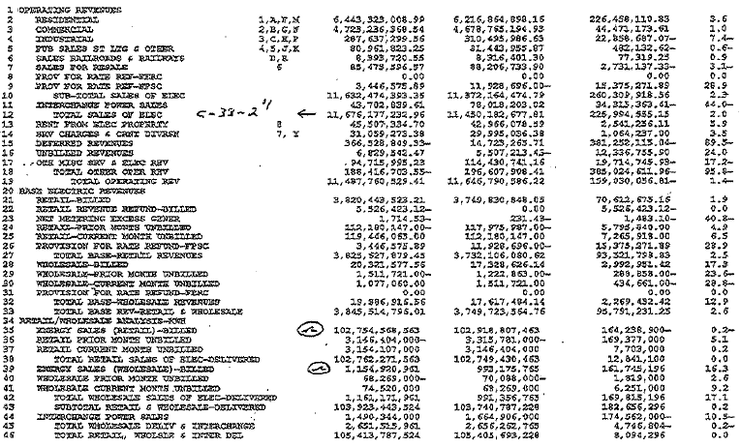
 | OPC 012607
 | FPL RC-16

FR5109: F&O Revenue Report
 | Current Month DEC 2013 | Current Month Last Year DEC 2012 | Net Increase (Decrease) | % Change | QTD Current Year | QTD Last Year | QTD Net Increase/(Decrease) | QTD % Change | YTD JAN 2013 DEC 2013 | YTD_ JAN 2012 DEC 2012 | YTD Net Increase/(Decrease) | YTD % Change | 12 Months Ended DEC 2013 | 12 Months_ Ended DEC 2012 | 12 Months Net Increase/(Decrease) | 12 Months Ended % Change | QTD_ CMTH_CY | QTD_ CMTH_PY | YTD_CMTH_CY | YTD_CMTH_PY | 12MTH_ CMTH_CY | 12MTH_ CMTH_PY
BILLED ELECTRIC REVENUES:
RESIDENTIAL | $ 413,200,998 | $ 363,544,304 | $ 49,656,694 | 13.66 % | $ 1,366,426,265 | $ 1,271,135,319 | $ 95,290,946 | 7.50 % | $ 5,662,615,209 | $ 5,592,268,154 | $ 70,347,055 | 1.26 % | $ 5,662,615,209 | $ 5,592,268,154 | $ 70,347,055 | 1.26 % | $ 1,366,426,265 | $ 1,271,135,319 | $ 5,662,615,209 | $ 5,592,268,154 | $ 5,662,615,209 | $ 5,592,268,154
COMMERCIAL | $ 315,420,739 | $ 302,045,862 | $ 13,374,877 | 4.43 % | $ 970,656,467 | $ 962,115,794 | $ 8,540,673 | 0.89 % | $ 3,867,843,192 | $ 3,923,945,113 | $ (56,101,920) | (1.43) % | $ 3,867,843,192 | $ 3,923,945,113 | $ (56,101,920) | (1.43) % | $ 970,656,467 | $ 962,115,794 | $ 3,867,843,192 | $ 3,923,945,113 | $ 3,867,843,192 | $ 3,923,945,113
INDUSTRIAL | $ 15,822,435 | $ 16,757,823 | $ (935,389) | (5.58) % | $ 46,795,650 | $ 52,910,284 | $ (6,114,633) | (11.56) % | $ 192,454,909 | $ 207,741,972 | $ (15,287,063) | (7.36) % | $ 192,454,909 | $ 207,741,972 | $ (15,287,063) | (7.36) % | $ 46,795,650 | $ 52,910,284 | $ 192,454,909 | $ 207,741,972 | $ 192,454,909 | $ 207,741,972
PUB SALES ST LTG & OTHER | $ 6,378,717 | $ 6,050,191 | $ 328,526 | 5.43 % | $ 19,140,502 | $ 18,168,803 | $ 971,699 | 5.35 % | $ 76,568,574 | $ 72,981,008 | $ 3,587,566 | 4.92 % | $ 76,568,574 | $ 72,981,008 | $ 3,587,566 | 4.92 % | $ 19,140,502 | $ 18,168,803 | $ 76,568,574 | $ 72,981,008 | $ 76,568,574 | $ 72,981,008
SALES RAILROADS & RAILWAYS | $ 631,457 | $ 561,174 | $ 70,283 | 12.52 % | $ 1,923,922 | $ 1,725,205 | $ 198,717 | 11.52 % | $ 7,647,129 | $ 6,786,550 | $ 860,579 | 12.68 % | $ 7,647,129 | $ 6,786,550 | $ 860,579 | 12.68 % | $ 1,923,922 | $ 1,725,205 | $ 7,647,129 | $ 6,786,550 | $ 7,647,129 | $ 6,786,550
SALES FOR RESALE | $ 9,918,109 | $ 8,862,156 | $ 1,055,953 | 11.92 % | $ 32,399,801 | $ 33,587,610 | $ (1,187,809) | (3.54) % | $ 131,805,315 | $ 135,265,350 | $ (3,460,035) | (2.56) % | $ 131,805,315 | $ 135,265,350 | $ (3,460,035) | (2.56) % | $ 32,399,801 | $ 33,587,610 | $ 131,805,315 | $ 135,265,350 | $ 131,805,315 | $ 135,265,350
TOTAL SALES OF ELECTRICITY | $ 761,372,456 | $ 697,821,510 | $ 63,550,946 | 42.38 % | $ 2,437,342,606 | $ 2,339,643,013 | $ 97,699,593 | 10.16 % | $ 9,938,934,329 | $ 9,938,988,147 | $ (53,819) | 7.51 % | $ 9,938,934,329 | $ 9,938,988,147 | $ (53,819) | 7.51 % | $ 2,437,342,606 | $ 2,339,643,013 | $ 9,938,934,329 | $ 9,938,988,147 | $ 9,938,934,329 | $ 9,938,988,147
RETAIL/WHOLESALE ANALYSIS-KWH
ENERGY SALES RETAIL-(BILLED) | 7,934,506,213 | 7,198,695,149 | 735,811,064 | 10.22 % | 25,238,153,860 | 24,071,943,072 | 1,166,210,788 | 4.84 % | 102,783,857,311 | 102,225,548,143 | 558,309,168 | 0.55 % | 102,783,857,311 | 102,225,548,143 | 558,309,168 | 0.55 % | 25,238,153,860 | 24,071,943,072 | 102,783,857,311 | 102,225,548,143 | 102,783,857,311 | 102,225,548,143
ENERGY SALES (WHOLESALE) - BILLED | 157,135,776 | 148,917,331 | 8,218,445 | 5.52 % | 521,618,324 | 542,322,262 | (20,703,938) | (3.82) % | 2,158,189,029 | 2,253,560,278 | (95,371,249) | (4.23) % | 2,158,189,029 | 2,253,560,278 | (95,371,249) | (4.23) % | 521,618,324 | 542,322,262 | 2,158,189,029 | 2,253,560,278 | 2,158,189,029 | 2,253,560,278
AVG. NO. OF CUSTOMER LOCATIONS
RESIDENTIAL | 4,136,766 | 4,061,984 | 74,782 | 1.84 % | 4,130,649 | 4,058,454 | 72,195 | 1.78 % | 4,097,172 | 4,052,174 | 44,998 | 1.11 % | 4,097,172 | 4,052,174 | 44,998 | 1.11 % | 12,391,947 | 12,175,363 | 49,166,060 | 48,626,086 | 49,166,060 | 48,626,086
COMMERCIAL | 521,269 | 513,438 | 7,831 | 1.53 % | 519,735 | 513,193 | 6,542 | 1.27 % | 516,500 | 511,887 | 4,613 | 0.90 % | 516,500 | 511,887 | 4,613 | 0.90 % | 1,562,502 | 1,539,580 | 6,212,480 | 6,142,642 | 6,212,480 | 6,142,642
INDUSTRIAL | 10,069 | 9,007 | 1,062 | 11.79 % | 10,012 | 8,974 | 1,038 | 11.56 % | 9,541 | 8,743 | 798 | 9.13 % | 9,541 | 8,743 | 798 | 9.13 % | 30,036 | 26,923 | 114,491 | 104,911 | 114,491 | 104,911
PUB SALES ST LIGHT & OTH | 3,721 | 3,657 | 64 | 1.75 % | 3,709 | 3,649 | 60 | 1.64 % | 3,689 | 3,615 | 74 | 2.05 % | 3,689 | 3,615 | 74 | 2.05 % | 11,127 | 10,947 | 44,269 | 43,378 | 44,269 | 43,378
SALES RAILROADS & RAILWAYS | 27 | 26 | 1 | 3.85 % | 27 | 26 | 1 | 2.56 % | 26 | 24 | 2 | 9.03 % | 26 | 24 | 2 | 9.03 % | 80 | 78 | 314 | 288 | 314 | 288
SUBTOTAL RETAIL | 4,671,852 | 4,588,112 | 83,740 | 1.83 % | 4,664,132 | 4,584,297 | 79,835 | 1.74 % | 4,626,927 | 4,576,442 | 50,485 | 1.10 % | 4,626,927 | 4,576,442 | 50,485 | 1.10 % | 13,995,692 | 13,752,891 | 55,537,614 | 54,917,305 | 55,537,614 | 54,917,305
SALES FOR RESALE | 7 | 7 | 0 | 0.00 % | 7 | 7 | 0 | 0.00 % | 7 | 7 | 0 | 0.00 % | 7 | 7 | 0 | 0.00 % | 21 | 21 | 84 | 79 | 84 | 79
TOTAL CUSTOMERS | 4,671,859 | 4,588,119 | 83,740 | 1.83 % | 4,664,139 | 4,584,304 | 79,835 | 1.74 % | 4,626,934 | 4,576,449 | 50,485 | 1.10 % | 4,626,934 | 4,576,449 | 50,485 | 1.10 % | 13,995,713 | 13,752,912 | 55,537,698 | 54,917,384 | 55,537,698 | 54,917,384
REVENUE STATISTICS
REVENUE PER BILLED KWH
RESIDENTIAL | $ 10.48 | $ 10.42 | $ 0.06 | 0.62 % | $ 10.49 | $ 10.44 | $ 0.04 | 0.41 % | $ 10.50 | $ 10.47 | $ 0.03 | 0.33 % | $ 10.50 | $ 10.47 | $ 0.03 | 0.33 % | $ 10.49 | $ 10.44 | $ 10.50 | $ 10.47 | $ 10.50 | $ 10.47
COMMERCIAL | $ 8.52 | $ 8.82 | $ (0.30) | (3.38) % | $ 8.55 | $ 8.75 | $ (0.20) | (2.28) % | $ 8.53 | $ 8.68 | $ (0.15) | (1.69) % | $ 8.53 | $ 8.68 | $ (0.15) | (1.69) % | $ 8.55 | $ 8.75 | $ 8.53 | $ 8.68 | $ 8.53 | $ 8.68
INDUSTRIAL | $ 6.46 | $ 7.04 | $ (0.58) | (8.20) % | $ 6.55 | $ 6.91 | $ (0.37) | (5.30) % | $ 6.51 | $ 6.87 | $ (0.36) | (5.22) % | $ 6.51 | $ 6.87 | $ 1.66 | 24.17 % | $ 6.55 | $ 6.91 | $ 6.51 | $ 6.87 | $ 6.51 | $ 6.87
PUB SALES ST LTG & OTH | $ 16.51 | $ 15.55 | $ 0.96 | 6.19 % | $ 16.33 | $ 15.55 | $ 0.78 | 5.04 % | $ 16.32 | $ 15.64 | $ 0.68 | 4.36 % | $ 16.32 | $ 15.64 | $ 0.68 | 4.36 % | $ 16.33 | $ 15.55 | $ 16.32 | $ 15.64 | $ 16.32 | $ 15.64
SALES RAILROADS & RAILWAYS | $ 9.02 | $ 8.48 | $ 0.53 | 6.30 % | $ 8.79 | $ 8.47 | $ 0.32 | 2.05 % | $ 8.71 | $ 8.42 | $ (6.93) | (82.34) % | $ 8.71 | $ 8.42 | $ 0.28 | 3.38 % | $ 8.79 | $ 8.47 | $ 8.71 | $ 8.42 | $ 8.71 | $ 8.42
SALES FOR RESALE | $ 6.31 | $ 5.95 | $ 0.36 | 6.06 % | $ 6.21 | $ 6.19 | $ 0.02 | 0.29 % | $ 6.11 | $ 6.00 | $ 0.10 | 1.75 % | $ 6.11 | $ 6.00 | $ 0.10 | 1.75 % | $ 6.21 | $ 6.19 | $ 6.11 | $ 6.00 | $ 6.11 | $ 6.00
REVENUE PER CUSTOMER
RESIDENTIAL | $ 99.89 | $ 89.50 | $ 10.39 | 11.60 % | $ 330.80 | $ 313.21 | $ 17.60 | 5.62 % | $ 1,382.08 | $ 1,380.07 | $ 2.01 | 0.15 % | $ 1,382.08 | $ 1,380.07 | $ 2.01 | 0.15 % | $ 110.27 | $ 104.40 | $ 115.17 | $ 115.01 | $ 115.17 | $ 115.01
COMMERCIAL | $ 605.10 | $ 588.28 | $ 16.82 | 2.86 % | $ 1,867.60 | $ 1,874.76 | $ (7.16) | (0.38) % | $ 7,488.57 | $ 7,665.65 | $ (177.08) | (2.31) % | $ 7,488.57 | $ 7,665.65 | $ (177.08) | (2.31) % | $ 621.22 | $ 624.92 | $ 622.59 | $ 638.80 | $ 622.59 | $ 638.80
INDUSTRIAL | $ 1,571.40 | $ 1,860.53 | $ (289.13) | (15.54) % | $ 4,673.96 | $ 5,895.73 | $ (1,221.78) | (20.72) % | $ 20,171.53 | $ 23,762.08 | $ (3,590.55) | (15.11) % | $ 20,171.53 | $ 23,762.08 | $ (3,590.55) | (15.11) % | $ 1,557.99 | $ 1,965.24 | $ 1,680.96 | $ 1,980.17 | $ 1,680.96 | $ 1,980.17
TOTAL SALES - ALL CLASSES | $ 162.97 | $ 152.09 | $ 10.88 | 7.15 % | $ 522.57 | $ 510.36 | $ 12.21 | 2.39 % | $ 2,148.06 | $ 2,171.77 | $ (23.71) | (1.09) % | $ 2,148.06 | $ 2,171.77 | $ (23.71) | (1.09) % | $ 174.15 | $ 170.12 | $ 178.96 | $ 180.98 | $ 178.96 | $ 180.98
BILLED KWH SALES PER CUSTOMER
RESIDENTIAL | 953 | 859 | 94 | 11 % | 3,155 | 2,999 | 155 | 5.18 % | 13,163 | 13,187 | (24) | (0) % | 13,163 | 13,187 | (24) | (0) % | 1,052 | 1,000 | 1,097 | 1,099 | 1,097 | 1,099
COMMERCIAL | 7,104 | 6,673 | 431 | 6 % | 21,843 | 21,428 | 415 | 1.94 % | 87,786 | 88,340 | (555) | (0.63) % | 87,786 | 88,340 | (555) | (0.63) % | 7,266 | 7,143 | 7,298 | 7,362 | 7,298 | 7,362
INDUSTRIAL | 24,307 | 26,420 | (2,113) | (8) % | 71,403 | 85,290 | (13,887) | (16.28) % | 309,772 | 345,871 | (36,100) | (10) % | 309,772 | 345,871 | (36,100) | (10) % | 23,801 | 28,430 | 25,814 | 28,823 | 25,814 | 28,823
TOTAL SALES - ALL CLASSES | 1,731.9961902 | 1,601.4433104 | 130.5528797 | 8.15 % | 5,522.9430394 | 5,369.2480547 | 153.6949848 | 2.86 % | 22,680.6863421 | 22,829.7345892 | (149.0482470) | (0.65) % | 22,680.6863421 | 22,829.7345892 | (149.0482470) | (0.65) % | 1,840.5473293 | 1,789.7493516 | 1,889.5642081 | 1,902.4778824 | 1,889.5642081 | 1,902.4778824
DELIVERED KWH PER CUSTOMER
ANALYSIS OF RETAIL ENERGY SALES-BILLED
RESIDENTIAL | 3,941,257,755 | 3,489,144,786 | 452,112,969 | 12.96 % | 13,031,533,236 | 12,172,743,120 | 858,790,116 | 7.06 % | 53,930,013,940 | 53,434,189,559 | 495,824,381 | 0.93 % | 53,930,013,940 | 53,434,189,559 | 495,824,381 | 0.93 % | 13,031,533,236 | 12,172,743,120 | 53,930,013,940 | 53,434,189,559 | 53,930,013,940 | 53,434,189,559
COMMERCIAL | 3,702,863,960 | 3,426,057,795 | 276,806,165 | 8.08 % | 11,352,631,126 | 10,996,545,707 | 356,085,419 | 3.24 % | 45,341,332,820 | 45,220,258,736 | 121,074,084 | 0.27 % | 45,341,332,820 | 45,220,258,736 | 121,074,084 | 0.27 % | 11,352,631,126 | 10,996,545,707 | 45,341,332,820 | 45,220,258,736 | 45,341,332,820 | 45,220,258,736
INDUSTRIAL | 244,751,202 | 237,968,490 | 6,782,712 | 2.85 % | 714,887,720 | 765,422,389 | (50,534,669) | (6.60) % | 2,955,504,596 | 3,023,809,541 | (68,304,945) | (2.26) % | 2,955,504,596 | 3,023,809,541 | (68,304,945) | (2.26) % | 714,887,720 | 765,422,389 | 2,955,504,596 | 3,023,809,541 | 2,955,504,596 | 3,023,809,541
PUB ST & HWY LIGHTS & OTHER | 38,632,246 | 38,910,128 | (277,882) | (0.71) % | 117,205,724 | 116,857,656 | 348,068 | 0.30 % | 469,159,401 | 466,691,957 | 2,467,444 | 0.53 % | 469,159,401 | 466,691,957 | 2,467,444 | 0.53 % | 117,205,724 | 116,857,656 | 469,159,401 | 466,691,957 | 469,159,401 | 466,691,957
RAILROADS & RAILWAYS | 7,001,050 | 6,613,950 | 387,100 | 5.85 % | 21,896,054 | 20,374,200 | 1,521,854 | 7.47 % | 87,846,554 | 80,598,350 | 7,248,204 | 8.99 % | 87,846,554 | 80,598,350 | 7,248,204 | 8.99 % | 21,896,054 | 20,374,200 | 87,846,554 | 80,598,350 | 87,846,554 | 80,598,350
TOTAL RETAIL SALES-BILLED | 7,934,506,213 | 7,198,695,149 | 735,811,064 | 29.03 % | 25,238,153,860 | 24,071,943,072 | 1,166,210,788 | 11.46 % | 102,783,857,311 | 102,225,548,143 | 558,309,168 | 8.46 % | 102,783,857,311 | 102,225,548,143 | 558,309,168 | 8.46 % | 25,238,153,860 | 24,071,943,072 | 102,783,857,311 | 102,225,548,143 | 102,783,857,311 | 102,225,548,143
 |  |  | 102754568363
 |  |  | 1154920961
 |  |  | 103,909,489,324

9
OPC 012609
FPL RC-16
From Detailed COS ID Income Statement Report
Scenario: Multiple
Actual Year 2015
Account # | Description | Amount |  | W/P Ref
INC101110 | Steam Power Fuel - Oil Gas, & Coal | 435,828,172 |  | Tab 10 - B56
INC101210 | Steam Power Fuel - Non Recv Exp | 9,035,634 |  | Tab 10 - B57
INC118110 | Nuclear Power - Nuclear Fuel Expense | 192,862,050 |  | Tab 10 - B77
INC118151 | Nuclear Power - Nucl Fuel Exp - Fuel Disposable |  |  | N/A
INC118180 | Nuclear Power - Plant Recoverable Adjustment |  |  | N/A
INC118210 | Nuclear Power - Plant Recoverable Adjustment | 11,753,697 |  | Tab 10 - B79
INC147200 | Other Power - Fuel Non Recov Annual Emission | 4,699,304 |  | Tab 10 - B100
INC147110 | Other Power - Fuel - Oil Gas & Coal | 2,606,952,903 |  | Tab 10 - B99
INC155110 | Other Power - Purchased Power Interchange | 275,331,154 |  | Tab 10 - B114
INC155210 | Other Power - Non Recoverable |  |  | N/A
INC155410 | Other Power - UPS Capacity | 413,402,150 |  | Tab 10 - C115
INC155431 | Other Power - SJRPP Cap |  |  | N/A
INC157000 | Other Power - Other Expenses | 2,619,216 |  | Tab 10 - C117
INC157900 | Other Power - Other Expenses - Deferred Fuel FPSC | 219,520,858 |  | Tab 10 - C118
INC157903 | Other Power - Other Expenses - Deferred Capacity | 25,068,508 |  | Tab 10 - C119
INC157980 | Other Power - Other Expenses - Deferred | 384,768 |  | Tab 10 - B122
158750-760 | Gas Reserves - All Combined | 7,473,696 |  | Tab 10 B123-B130
INC607303 | Other Expense - Deferred Espense Cedar Bay | 4,942,148 |  | Tab 10 - B131
 | Subtotal Power Cost | 4,209,874,257 |  | Σ

 | Steam Power Generation | 542,563,026 |  | Tab 10 - B73
 | Nuclear Power Generation | 618,574,501 |  | Tab 10 - B94
 | Other Power Generation | 3,690,055,887 |  | Tab 10 - B132
 | Total Power Generation | 4,851,193,414 |  | Σ

 | Power Production Expense | 641,319,157 | B - A

 | Transmission Expenses | 104,763,407 |  | Tab 10 - B151

 | Distribution Expenses | 274,769,551 |  | Tab 10 - B176

 | Customer Accounts Expenses | 110,574,350 |  | Tab 10 - C184

 | Customer Service & Info Expenses | 102,184,685 |  | Tab 10 - B194

 | Demonstrating & Selling Expenses | 26,149,384 |  | Tab 10 - B198

 | Administrative & General Expenses | 348,911,623 |  | Tab 10 - B229

 | Total O & M Expenses | 1,608,672,157 | - | Σ
 |  | 5,818,546,414 | TRUE

A

B

12
OPC 012612
FPL RC-16

F and O Page 8 - Statistical Data

 | Revenue Code | Current Month DEC 2015 | Current Month Last Year DEC 2014 | Net Increase (Decrease) | % Change | QTD Current Year | QTD Last Year | QTD Net Increase/(Decrease) | QTD % Change | YTD JAN 2015 DEC 2015 | YTD_ JAN 2014 DEC 2014 | YTD Net Increase/(Decrease) | YTD % Change | 12 Months Ended DEC 2015 | 12 Months_ Ended DEC 2014 | 12 Months Net Increase/(Decrease) | 12 Months Ended % Change
BILLED ELECTRIC REVENUES:
RESIDENTIAL | 1, A, F, M | $466,039,843.28 | $417,707,403.88 | $48,332,439.40 | 11.57 % | $1,517,061,181.92 | $1,396,887,931.61 | $120,173,250.31 | 8.60 % | $6,336,339,035.15 | $6,145,619,891.36 | $190,719,143.79 | 3.10 % | $6,336,339,035.15 | $6,145,619,891.36 | $190,719,143.79 | 3.10 %
COMMERCIAL | 2, B,G,N | $336,733,969.03 | $321,975,118.60 | $14,758,850.43 | 4.58 % | $1,034,173,270.96 | $1,017,708,049.65 | $16,465,221.31 | 1.62 % | $4,142,506,422.40 | $4,145,267,937.86 | ($2,761,515.46) | (0.07) % | $4,142,506,422.40 | $4,145,267,937.86 | ($2,761,515.46) | (0.07) %
INDUSTRIAL | 3,C,H,P | $17,240,282.15 | $16,205,786.86 | $1,034,495.29 | 6.38 % | $50,461,739.82 | $50,104,692.60 | $357,047.22 | 0.71 % | $203,597,992.70 | $204,514,596.04 | ($916,603.34) | (0.45) % | $203,597,992.70 | $204,514,596.04 | ($916,603.34) | (0.45) %
PUB SALES ST LTG & OTHER | 4,5,J,K | $6,630,454.17 | $7,551,126.61 | ($920,672.44) | (12.19) % | $20,625,382.29 | $20,140,438.01 | $484,944.28 | 2.41 % | $80,243,630.81 | $80,044,091.22 | $199,539.59 | 0.25 % | $80,243,630.81 | $80,044,091.22 | $199,539.59 | 0.25 %
SALES RAILROADS & RAILWAYS | D,R, | $667,060.82 | $668,673.29 | ($1,612.47) | (0.24) % | $2,034,389.38 | $2,083,873.87 | ($49,484.49) | (2.37) % | $8,227,651.07 | $8,471,857.35 | ($244,206.28) | (2.88) % | $8,227,651.07 | $8,471,857.35 | ($244,206.28) | (2.88) %
SALES FOR RESALE | 6 | $32,561,717.88 | $27,371,348.84 | $5,190,369.04 | 18.96 % | $102,587,633.21 | $99,064,909.08 | $3,522,724.13 | 3.56 % | $412,461,793.78 | $361,829,758.98 | $50,632,034.80 | 13.99 % | $412,461,793.78 | $361,829,758.98 | $50,632,034.80 | 13.99 %
TOTAL SALES OF ELECTRICITY |  | $859,873,327.33 | $791,479,458.08 | $68,393,869.25 | 8.64 % | $2,726,943,597.58 | $2,585,989,894.82 | $140,953,702.76 | 5.45 % | $11,183,376,525.91 | $10,945,748,132.81 | $237,628,393.10 | 2.17 % | $11,183,376,525.91 | $10,945,748,132.81 | $237,628,393.10 | 2.17 %

RETAIL/WHOLESALE ANALYSIS-KWH
ENERGY SALES RETAIL-(BILLED) |  | 8,582,416,040 | 7,520,349,923 | 1,062,066,117 | 14.12 % | 27,092,142,779 | 24,504,572,570 | 2,587,570,209 | 10.56 % | 109,820,398,271 | 104,389,051,746 | 5,431,346,525 | 5.20 % | 109,820,398,271 | 104,389,051,746 | 5,431,346,525 | 5.20 %
RETAIL PRIOR MTH UNBILLED |  | (4,474,740,000) | (3,929,288,000) | (545,452,000) | (13.88) % | (4,793,523,000) | (4,518,860,000) | (274,663,000) | (6.08) % | (4,050,335,000) | (4,008,289,000) | (42,046,000) | (1.05) % | (4,050,335,000) | (4,008,289,000) | (42,046,000) | (1.05) %
RETAIL CURRENT MTH UNBILLED |  | 4,556,622,000 | 4,050,335,000 | 506,287,000 | 12.50 % | 4,556,622,000 | 4,050,335,000 | 506,287,000 | 12.50 % | 4,556,622,000 | 4,050,335,000 | 506,287,000 | 12.50 % | 4,556,622,000 | 4,050,335,000 | 506,287,000 | 12.50 %
TOTAL RETAIL SALES OF ELEC-DELIVERED |  | 8,664,298,040 | 7,641,396,923 | 1,022,901,117 | 13.39 % | 26,855,241,779 | 24,036,047,570 | 2,819,194,209 | 11.73 % | 110,326,685,271 | 104,431,097,746 | 5,895,587,525 | 5.65 % | 110,326,685,271 | 104,431,097,746 | 5,895,587,525 | 5.65 %
ENERGY SALES (WHOLESALE) - BILLED | 6 | 526,088,422 | 385,273,615 | 140,814,807 | 36.55 % | 1,662,847,459 | 1,443,353,071 | 219,494,388 | 15.21 % | 6,610,033,788 | 5,374,839,339 | 1,235,194,449 | 22.98 % | 6,610,033,788 | 5,374,839,339 | 1,235,194,449 | 22.98 %
WHOLESALE PRIOR MTH UNBILLED |  | (527,250,000) | (348,952,000) | (178,298,000) | (51.10) % | (554,720,000) | (529,159,000) | (25,561,000) | (4.83) % | (383,972,000) | (159,335,000) | (224,637,000) | (140.98) % | (383,972,000) | (159,335,000) | (224,637,000) | (140.98) %
WHOLESALE CURRENT MTH UNBILLED |  | 504,437,000 | 383,972,000 | 120,465,000 | 31.37 % | 504,437,000 | 383,972,000 | 120,465,000 | 31.37 % | 504,437,000 | 383,972,000 | 120,465,000 | 31.37 % | 504,437,000 | 383,972,000 | 120,465,000 | 31.37 %
TOTAL WHOLESALE SALES OF ELEC-DELIVERED |  | 503,275,422 | 420,293,615 | 82,981,807 | 19.74 % | 1,612,564,459 | 1,298,166,071 | 314,398,388 | 24.22 % | 6,730,498,788 | 5,599,476,339 | 1,131,022,449 | 20.20 % | 6,730,498,788 | 5,599,476,339 | 1,131,022,449 | 20.20 %
SUBTOTAL RETAIL & WHOLESALE-DELIVERED |  | 9,167,573,462 | 8,061,690,538 | 1,105,882,924 | 13.72 % | 28,467,806,238 | 25,334,213,641 | 3,133,592,597 | 12.37 % | 117,057,184,059 | 110,030,574,085 | 7,026,609,974 | 6.39 % | 117,057,184,059 | 110,030,574,085 | 7,026,609,974 | 6.39 %
INTERCHANGE POWER SALES |  | 267,416,000 | 343,869,000 | (76,453,000) | (22.23) % | 518,029,000 | 979,284,000 | (461,255,000) | (47.10) % | 2,974,841,000 | 3,165,838,000 | (190,997,000) | (6.03) % | 2,974,841,000 | 3,165,838,000 | (190,997,000) | (6.03) %
TOTAL WHOLESALE DELIV & INTERCHANGE |  | 770,691,422 | 764,162,615 | 6,528,807 | 0.85 % | 2,130,593,459 | 2,277,450,071 | (146,856,612) | (6.45) % | 9,705,339,788 | 8,765,314,339 | 940,025,449 | 10.72 % | 9,705,339,788 | 8,765,314,339 | 940,025,449 | 10.72 %
TOTAL RETAIL, WHOLESALE & INTER DEL |  | 9,434,989,462 | 8,405,559,538 | 1,029,429,924 | 12.25 % | 28,985,835,238 | 26,313,497,641 | 2,672,337,597 | 10.16 % | 120,032,025,059 | 113,196,412,085 | 6,835,612,974 | 6.04 % | 120,032,025,059 | 113,196,412,085 | 6,835,612,974 | 6.04 %

AVG. NO. OF CUSTOMER LOCATIONS
RESIDENTIAL | 1,A,F,M | 4,254,635 | 4,195,956 | 58,679 | 1.40 % | 4,246,972 | 4,189,234 | 57,738 | 1.38 % | 4,227,425 | 4,169,028 | 58,398 | 1.40 % | 4,227,425 | 4,169,028 | 58,398 | 1.40 %
COMMERCIAL | 2,B,G,N | 535,919 | 528,916 | 7,003 | 1.32 % | 535,291 | 528,398 | 6,893 | 1.30 % | 532,731 | 525,591 | 7,140 | 1.36 % | 532,731 | 525,591 | 7,140 | 1.36 %
INDUSTRIAL | 3,C,H,P | 11,719 | 10,571 | 1,148 | 10.86 % | 11,771 | 10,575 | 1,196 | 11.31 % | 11,318 | 10,415 | 903 | 8.67 % | 11,318 | 10,415 | 903 | 8.67 %
PUB SALES ST LIGHT & OTH | 4,5,J,K | 3,922 | 3,795 | 127 | 3.35 % | 3,918 | 3,780 | 138 | 3.66 % | 3,869 | 3,757 | 111 | 2.97 % | 3,869 | 3,757 | 111 | 2.97 %
SALES RAILROADS & RAILWAYS | D,R | 27 | 27 | 0 | 0.00 % | 27 | 27 | 0 | 0.00 % | 27 | 27 | 0 | 0.00 % | 27 | 27 | 0 | 0.00 %
SUBTOTAL RETAIL |  | 4,806,222 | 4,739,265 | 66,957 | 1.41 % | 4,797,979 | 4,732,013 | 65,966 | 1.39 % | 4,775,370 | 4,708,819 | 66,552 | 1.41 % | 4,775,370 | 4,708,819 | 66,552 | 1.41 %
SALES FOR RESALE | 6 | 12 | 11 | 1 | 9.09 % | 12 | 11 | 1 | 9.09 % | 11 | 11 | 1 | 6.20 % | 11 | 11 | 1 | 6.20 %
TOTAL CUSTOMERS |  | 4,806,234 | 4,739,276 | 66,958 | 1.41 % | 4,797,991 | 4,732,024 | 65,967 | 1.39 % | 4,775,382 | 4,708,829 | 66,552 | 1.41 % | 4,775,382 | 4,708,829 | 66,552 | 1.41 %

REVENUE STATISTICS
REVENUE PER BILLED KWH
RESIDENTIAL | 1,A,F,M | $10.67 | $11.14 | ($0.47) | (4.18) % | $10.66 | $11.13 | ($0.47) | (4.25) % | $10.77 | $11.13 | ($0.37) | (3.28) % | $10.77 | $11.13 | ($0.37) | (3.28) %
COMMERCIAL | 2,B,G,N | $8.63 | $9.25 | ($0.62) | (6.72) % | $8.65 | $9.17 | ($0.52) | (5.65) % | $8.75 | $9.07 | ($0.33) | (3.62) % | $8.75 | $9.07 | ($0.33) | (3.62) %
INDUSTRIAL | 3,C,H,P | $6.47 | $6.82 | ($0.35) | (5.09) % | $6.61 | $6.96 | ($0.35) | (5.01) % | $6.69 | $6.95 | ($0.26) | (3.75) % | $6.69 | $6.95 | $1.79 | 25.77 %
PUB SALES ST LTG & OTH | 4,5,J,K | $16.79 | $16.75 | $0.04 | 0.23 % | $16.88 | $17.10 | ($0.22) | (1.27) % | $17.02 | $17.03 | ($0.01) | (0.07) % | $17.02 | $17.03 | ($0.01) | (0.07) %
SALES RAILROADS & RAILWAYS | D,R | $8.98 | $9.71 | ($0.74) | (7.58) % | $9.01 | $9.39 | ($0.37) | (2.18) % | $8.96 | $9.27 | ($8.07) | (87.03) % | $8.96 | $9.27 | ($0.30) | (3.28) %
SALES FOR RESALE | 6 | $6.19 | $7.10 | ($0.91) | (12.88) % | $6.17 | $6.86 | ($0.69) | (10.11) % | $6.24 | $6.73 | ($0.49) | (7.31) % | $6.24 | $6.73 | ($0.49) | (7.31) %
TOTAL SALES OF ELEC |  | $9.44 | $10.01 | ($0.57) | (5.71) % | $9.48 | $9.97 | ($0.48) | (4.84) % | $9.61 | $9.97 | ($0.37) | (3.68) % | $9.61 | $9.97 | ($0.37) | (3.68) %

REVENUE PER CUSTOMER
RESIDENTIAL | 1,A,F,M | $109.54 | $99.55 | $9.99 | 10.03 % | $357.21 | $333.45 | $23.76 | $0.07 | $1,498.86 | $1,474.11 | $24.75 | $0.02 | $1,498.86 | $1,474.11 | $24.75 | $0.02
COMMERCIAL | 2,B,G,N | $628.33 | $608.75 | $19.58 | 3.22 % | $1,931.98 | $1,926.02 | $5.96 | $0.00 | $7,775.98 | $7,886.87 | ($110.89) | ($0.01) | $7,775.98 | $7,886.87 | ($110.89) | ($0.01)
INDUSTRIAL | 3,C,H,P | $1,471.14 | $1,533.04 | ($61.90) | (4.04) % | $4,287.08 | $4,738.18 | ($451.11) | ($0.10) | $17,989.13 | $19,636.39 | ($1,647.25) | ($0.08) | $17,989.13 | $19,636.39 | ($1,647.25) | ($0.08)
TOTAL SALES-ALL CLASSES |  | $178.91 | $167.00 | $11.90 | 7.13 % | $568.35 | $546.49 | $21.86 | $0.04 | $2,341.88 | $2,324.52 | $17.37 | $0.01 | $2,341.88 | $2,324.52 | $17.37 | $0.01

BILLED KWH SALES PER CUSTOMER
RESIDENTIAL | 1,A,F,M | 1,027 | 894 | 133 | 14.84 % | 3,351 | 2,995 | 356 | 11.88 % | 13,920 | 13,241 | 679 | 5.13 % | 13,920 | 13,241 | 679 | 5.13 %
COMMERCIAL | 2,B,G,N | 7,280 | 6,579 | 701 | 10.65 % | 22,328 | 21,002 | 1,327 | 6.32 % | 88,916 | 86,919 | 1,997 | 2.30 % | 88,916 | 86,919 | 1,997 | 2.30 %
INDUSTRIAL | 3,C,H,P | 22,737 | 22,488 | 249 | 1.11 % | 64,846 | 68,080 | (3,234) | (4.75) % | 268,799 | 282,398 | (13,599) | (4.82) % | 268,799 | 282,398 | (13,599) | (4.82) %
TOTAL SALES-ALL CLASSES |  | 1,895 | 1,668 | 227 | 13.61 % | 5,993 | 5,483 | 510 | 9.29 % | 24,381 | 23,310 | 1,071 | 4.60 % | 24,381 | 23,310 | 1,071 | 4.60 %

DELIVERED KWH PER CUSTOMER
RETAIL |  | 1,803 | 1,612 | 190 | 11.81 % | 5,597 | 5,079 | 518 | 10.19 % | 23,103 | 22,178 | 926 | 4.17 % | 23,103 | 22,178 | 926 | 4.17 %
WHOLESALE |  | 41,939,619 | 38,208,510 | 3,731,108 | 9.77 % | 134,380,372 | 118,015,097 | 16,365,274 | 13.87 % | 589,532,741 | 520,881,520 | 68,651,221 | 13.18 % | 589,532,741 | 520,881,520 | 68,651,221 | 13.18 %
TOTAL (EXCLUDING INTERCHANGE) |  | 1,907 | 1,701 | 206 | 12.13 % | 5,933 | 5,354 | 579 | 10.82 % | 24,513 | 23,367 | 1,146 | 4.90 % | 24,513 | 23,367 | 1,146 | 4.90 %

ANALYSIS OF RETAIL ENERGY SALES-BILLED
RESIDENTIAL | 1, A, F, M | 4,367,653,433 | 3,750,951,933 | 616,701,500 | 16.44 % | 14,231,851,064 | 12,547,434,013 | 1,684,417,051 | 13.42 % | 58,846,341,975 | 55,202,423,078 | 3,643,918,897 | 6.60 % | 58,846,341,975 | 55,202,423,078 | 3,643,918,897 | 6.60 %
COMMERCIAL | 2, B,G,N | 3,901,382,132 | 3,479,710,425 | 421,671,707 | 12.12 % | 11,952,250,578 | 11,097,212,905 | 855,037,673 | 7.70 % | 47,368,529,671 | 45,684,022,592 | 1,684,507,079 | 3.69 % | 47,368,529,671 | 45,684,022,592 | 1,684,507,079 | 3.69 %
INDUSTRIAL | 3,C,H,P | 266,454,805 | 237,721,842 | 28,732,963 | 12.09 % | 763,281,262 | 719,923,781 | 43,357,481 | 6.02 % | 3,042,227,755 | 2,941,201,417 | 101,026,338 | 3.43 % | 3,042,227,755 | 2,941,201,417 | 101,026,338 | 3.43 %
PUB ST & HWY LIGHTS & OTHER | 4,5,J,K | 39,493,770 | 45,080,873 | (5,587,103) | (12.39) % | 122,188,025 | 117,798,921 | 4,389,104 | 3.73 % | 471,517,670 | 469,999,277 | 1,518,393 | 0.32 % | 471,517,670 | 469,999,277 | 1,518,393 | 0.32 %
RAILROADS & RAILWAYS | D,R, | 7,431,900 | 6,884,850 | 547,050 | 7.95 % | 22,571,850 | 22,202,950 | 368,900 | 1.66 % | 91,781,200 | 91,405,382 | 375,818 | 0.41 % | 91,781,200 | 91,405,382 | 375,818 | 0.41 %
TOTAL RETAIL SALES-BILLED |  | 8,582,416,040 | 7,520,349,923 | 1,062,066,117 | 36.20 % | 27,092,142,779 | 24,504,572,570 | 2,587,570,209 | 32.54 % | 109,820,398,271 | 104,389,051,746 | 5,431,346,525 | 14.46 % | 109,820,398,271 | 104,389,051,746 | 5,431,346,525 | 14.46 %

13
OPC 012613
FPL RC-16

From Detailed COS ID Income Statement Report
Scenario: Multiple
Forecast Years 2016, 2017 & 2018
Account # | Description | 2016 | 2017
INC101110 | Steam Power Fuel - Oil Gas, & Coal | 336,733,609 | 354,158,442
INC101210 | Steam Power Fuel - Non Recv Exp | 9,502,043 | 9,641,142
INC118110 | Nuclear Power - Nuclear Fuel Expense | 194,851,620 | 190,042,472
INC118151 | Nuclear Power - Nucl Fuel Exp - Fuel Disposable
INC118180 | Nuclear Power - Plant Recoverable Adjustment
INC118210 | Nuclear Power - Plant Recoverable Adjustment | 11,753,695 | 11,753,695
INC147200 | Other Power - Fuel Non Recov Annual Emission | 4,351,715 | 4,397,354
INC147110 | Other Power - Fuel - Oil Gas & Coal | 2,063,663,138 | 2,323,846,288
INC155110 | Other Power - Purchased Power Interchange | 210,109,689 | 201,253,012
INC155210 | Other Power - Non Recoverable
INC155410 | Other Power - UPS Capacity | 174,507,674 | 161,357,422
INC155431 | Other Power - SJRPP Cap
INC157000 | Other Power - Other Expenses | 2,489,192 | 2,569,341
INC157900 | Other Power - Other Expenses - Deferred Fuel FPSC | 36,711,847 | 231,506
INC157903 | Other Power - Other Expenses - Deferred Capacity | 75,205,526 | 90,031,970
INC157980 | Other Power - Other Expenses - Deferred | - | -
158750-760 | Gas Reserves - All Combined | 42,094,475 | 60,866,663
INC607303 | Other Expense - Deferred Espense Cedar Bay | 14,826,443 | -
 | Subtotal Power Cost | 3,176,800,666 | 3,410,149,307

 | Steam Power Generation | 457,300,212 | 446,375,441
 | Nuclear Power Generation | 630,200,009 | 628,170,621
 | Other Power Generation | 2,811,629,341 | 3,022,023,365
 | Total Power Generation | 3,899,129,563 | 4,096,569,427

 | Power Production Expense | 722,328,897 | 686,420,119

 | Transmission Expenses | 73,667,874 | 71,988,096

 | Distribution Expenses | 284,136,217 | 300,384,857

 | Customer Accounts Expenses | 107,579,522 | 108,722,784

 | Customer Service & Info Expenses | 65,187,745 | 66,065,296

 | Demonstrating & Selling Expenses | 18,084,321 | 14,241,782

 | Administrative & General Expenses | 355,548,983 | 349,177,167

 | Total O & M Expenses | 1,626,533,559 | 1,597,000,102
 |  | TRUE | TRUE
A

B

B - A

18
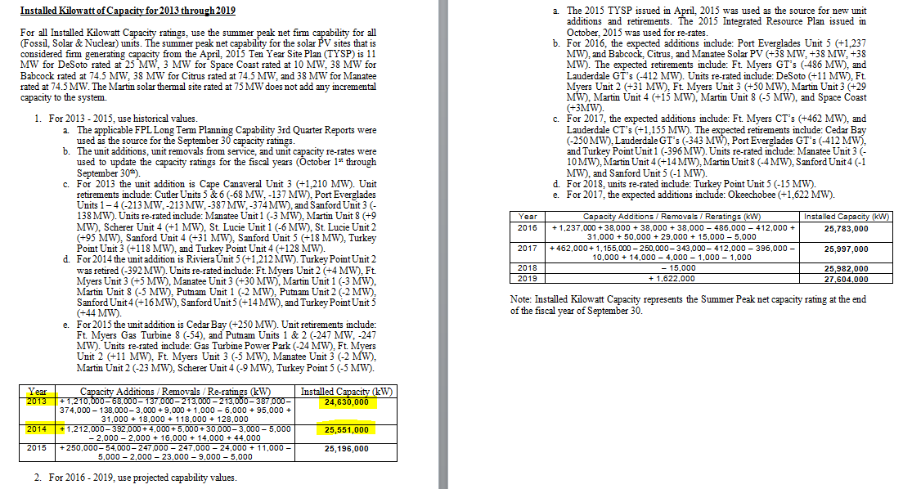
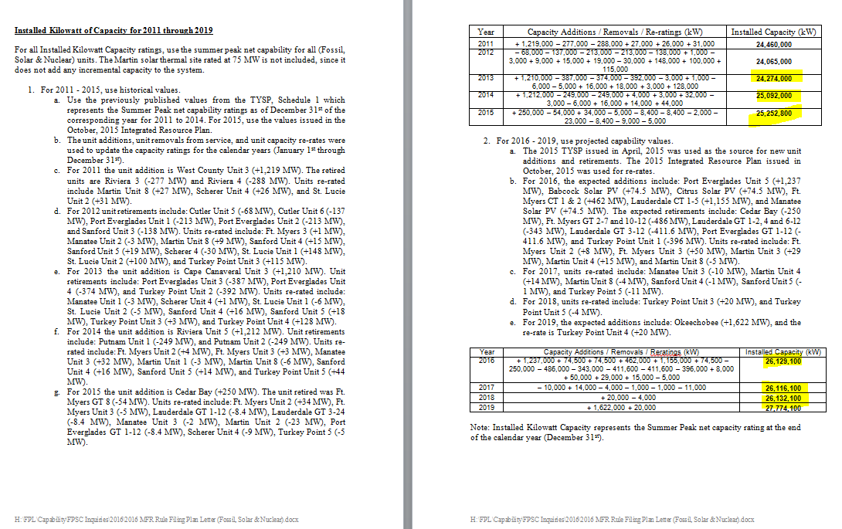
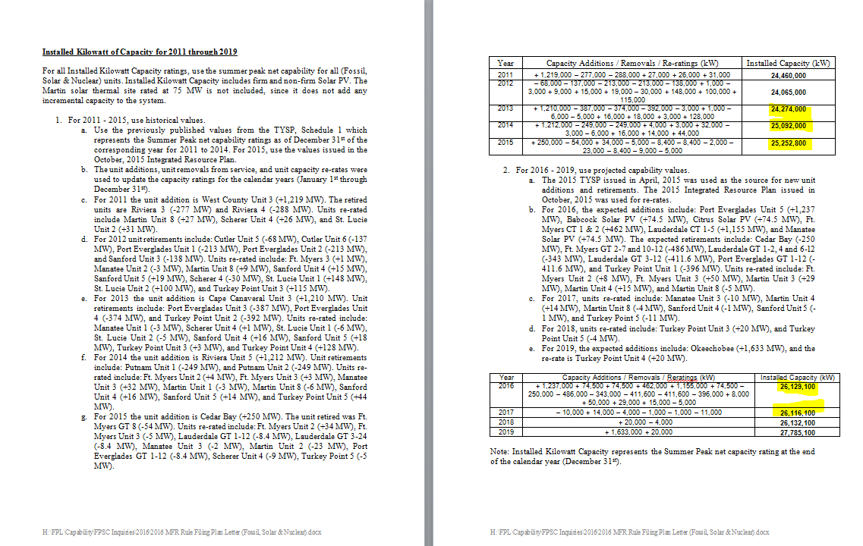
OPC 012617.1
FPL RC-16

