Pension Allocation 2016-2018
SFHHA 009169
FPL RC-16

Support from Actuaries for Pensionable Earnings used in 2016 - 2018 Projected Pension Allocation to FPL
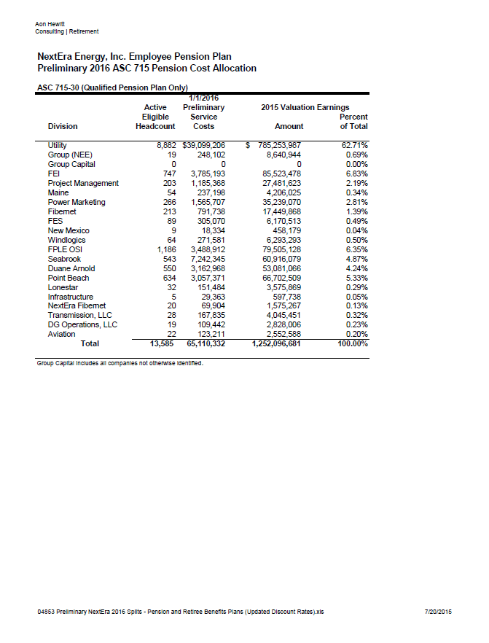

 | 2016 - 2018 FPL Pension Income Allocation
 | 62.72% | Utility (rounds to 62.72%)

 | Pensionable earnings used on Pension Alloc tab for 2016 - 2018

