Gulf TP Dashboard
Summary tables for all three sectors (Res/Com/Ind):

Table 1. Theoretically Technical Potential Savings for Residential, Commercial, and Industrial Sectors |  |  |  |  |  | Results Compare from 2013 Revision |  |  |  |  | Results Compare from ITRON 2009

 |  | Residential | Non-Residential | Total |  |  | Residential | Non-Residential | Total |  |  | Residential | Non-Residential | Total
 | 2020 Summer Peak (MW) | 1,251 | 878 | 2,129 |  | Summer Peak (MW) | 1,862 | 689 | 2,551 |  | Summer Peak (MW) | 1,150 | 675 | 1,825
 | Technical Summer Peak Savings (MW) | 465 | 493 | 958 |  | Summer Peak Savings (MW) | 189 | 96 | 285 |  | Summer Peak Savings (MW) | 198 | 100 | 298
 | % of Summer Peak | 37% | 56% | 45% |  | % of Summer Peak | 10% | 14% | 11% |  | % of Summer Peak | 17% | 15% | 16%
 | 2020 Winter Peak (MW) | 1,359 | 702 | 2,061 |  | Winter Peak (MW) | 1,865 | 569 | 2,434 |  | Winter Peak (MW) | 1,270 | 558 | 1,828
 | Technical Winter Peak Savings (MW) | 667 | 431 | 1,098 |  | Winter Peak Savings (MW) | 200 | 40 | 240 |  | Winter Peak Savings (MW) | 209 | 42 | 251
 | % of Winter Peak | 49% | 61% | 53% |  | % of Winter Peak | 11% | 7% | 10% |  | % of Winter Peak | 16% | 8% | 14%

Table 2. Summer Peak Demand by Segment by Sector

 | Residential |  |  |  | GS |  |  |  | GSD
 | Segment | MW | % of Sector Peak |  | Segment | MW | % of Sector Peak |  | Segment | MW | % of Sector Peak
 | Single Family | 889 | 71% |  | 0-15,000 kWh | 27 | 41% |  | 0-50 kW | 111 | 14%
 | Multi-Family | 248 | 20% |  | 15,001-25,000 kWh | 15 | 23% |  | 51-300 kW | 266 | 33%
 | Mobile Home/Other | 114 | 9% |  | 25,001-50,000 kWh | 17 | 26% |  | 301-500 kW | 133 | 16%
 |  |  |  |  | 50,000 kWh+ | 7 | 10% |  | 501 kW+ | 302 | 37%
 | Total | 1,251 | 100% |  | Total | 66 | 100% |  | Total | 812 | 100%

Table 3. Winter Peak Demand by Segment by Sector

 | Residential |  |  |  | GS |  |  |  | GSD
 | Segment | MW | % of Sector Peak |  | Segment | MW | % of Sector Peak |  | Segment | MW | % of Sector Peak
 | Single Family | 981 | 72% |  | 0-15,000 kWh | 17 | 36% |  | 0-50 kW | 85 | 13%
 | Multi-Family | 242 | 18% |  | 15,001-25,000 kWh | 13 | 27% |  | 51-300 kW | 236 | 36%
 | Mobile Home/Other | 136 | 10% |  | 25,001-50,000 kWh | 13 | 28% |  | 301-500 kW | 85 | 13%
 |  |  |  |  | 50,000 kWh+ | 4 | 9% |  | 501 kW+ | 250 | 38%
 | Total | 1,359 | 100% |  | Total | 46 | 100% |  | Total | 656 | 100%

Table 4. Summer Peak Potential by End Use by Sector (UNADJUSTED)

 | Residential |  |  |  | GS |  |  |  | GSD
 | End Use | MW | % of Sector Peak |  | End Use | MW | % of Sector Peak |  | End Use | MW | % of Sector Peak
 | Space Heating | 0 | 0% |  | Space Heating | 0 | 0% |  | All | 633 | 78%
 | Space Cooling | 609 | 49% |  | Space Cooling | 28 | 42%
 | Water Heater | 70 | 6%
 | Pool Pump | 68 | 5%
 | Total | 747 | 60% |  | Total | 28 | 42% |  | Total | 633 | 78%

Table 5. Winter Peak Potential by End Use by Sector (UNADJUSTED)

 | Residential |  |  |  | GS |  |  |  | GSD
 | End Use | MW | % of Sector Peak |  | End Use | MW | % of Sector Peak |  | End Use | MW | % of Sector Peak
 | Space Heating | 647 | 48% |  | Space Heating | 21 | 46% |  | All | 510 | 78%
 | Space Cooling | 0 | 0% |  | Space Cooling | 0 | 0%
 | Water Heater | 104 | 8%
 | Pool Pump | 40 | 3%
 | Total | 791 | 58% |  | Total | 21 | 46% |  | Total | 510 | 78%

Table 6. Summer Peak Potential by End Use by Sector (ADJUSTED)
Space Heating | 21
Space Cooling | 0
 | 1
 | 1
 | 1
 | 1
 | 1
 | 1
 | Residential |  |  |  | GS |  |  |  | GSD
 | End Use | MW | % of Sector Peak |  | End Use | MW | % of Sector Peak |  | End Use | MW | % of Sector Peak
 | Space Heating | 0 | 0% |  | Space Heating | 0 | 0% |  | All | 475 | 59%
 | Space Cooling | 389 | 31% |  | Space Cooling | 18 | 27%
 | Water Heater | 48 | 4%
 | Pool Pump | 28 | 2%
 | Total | 465 | 37% |  | Total | 18 | 27% |  | Total | 475 | 59%

Table 7. Winter Peak Potential by End Use by Sector (ADJUSTED)

 | Residential |  |  |  | GS |  |  |  | GSD
 | End Use | MW | % of Sector Peak |  | End Use | MW | % of Sector Peak |  | End Use | MW | % of Sector Peak
 | Space Heating | 553 | 41% |  | Space Heating | 5 | 10% |  | All | 426 | 65%
 | Space Cooling | 0 | 0% |  | Space Cooling | 0 | 0%
 | Water Heater | 75 | 5%
 | Pool Pump | 40 | 3%
 | Total | 667 | 49% |  | Total | 5 | 10% |  | Total | 426 | 65%

Gulf TP Inputs
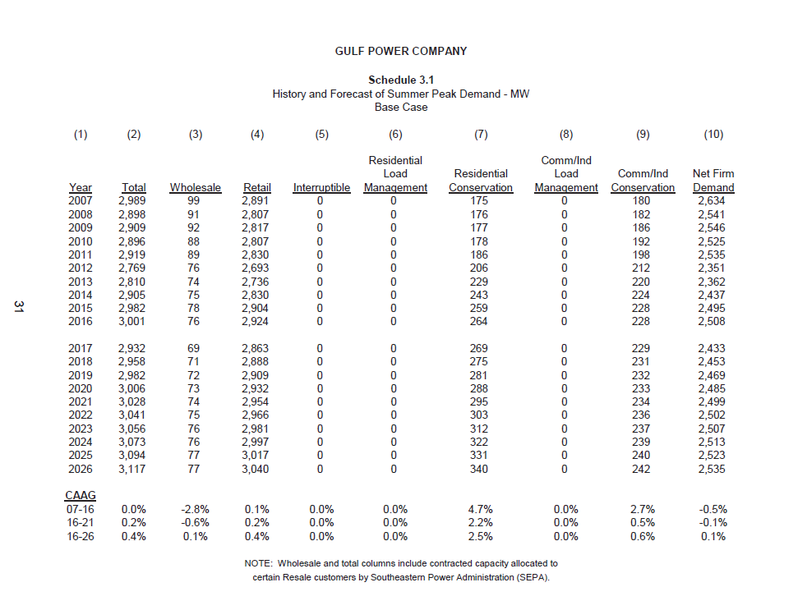
Gulf Technical Potential - 2018 Study (Scaled to 2020)
 | Res Curtailable Load (MW) | GS Curtailable Load (MW) | GSD Curtailable Load (MW) | Non-Res Curtailable | Total Curtailable Load (MW) | System Load (MW) | % of System Load
Summer | 741 | 28 | 628 | 656 | 1,397 | 2,508 | 55.7%
Winter | 865 | 23 | 558 | 581 | 1,446 | 2,274 | 63.6%

Gulf Technical Potential - 2009 Study
 | Res Curtailable Load (MW) | GS Curtailable Load (MW) | GSD Curtailable Load (MW) | Non-Res Curtailable | Total Curtailable Load (MW) | Res Baseline | NonRes Baseline | System Load (MW) | % of System Load
Summer | 198 | 95 | 5 | 100 | 298 | 1,150 | 675 | 1,825 | 16.3%
Winter | 209 | 40 | 2 | 42 | 251 | 1,270 | 558 | 1,828 | 13.7%
Gulf Technical Potential - 2014 Study
 | Res Curtailable Load (MW) | GS Curtailable Load (MW) | GSD Curtailable Load (MW) | Non-Res Curtailable | Total Curtailable Load (MW) | Res Baseline | NonRes Baseline | System Load (MW) | % of System Load
Summer | 189 | 91 | 5 | 96 | 285 | 1,173 | 689 | 1,862 | 15.3%
Winter | 200 | 38 | 2 | 40 | 240 | 1,296 | 569 | 1,865 | 12.9%

Winter Peak Loads (kW)
 | Res Segments Heating Load (kW) |  | GS Segments Heating Load (kW) |  | GSD Segments Total Load (kW) |  | Residential Pool Pump and Water Heater Load
Population | Single Family | 464,111 | 0-15,000 kWh | 10,868 | 0-50 kW | 93,373 | SF Pool Pump | 30,632 | SF Water Heater | 58,721
 | Multi-Family | 138,754 | 15,001-25,000 kWh | 5,881 | 51-300 kW | 257,845 | MF Pool Pump | 10,702 | MF Water Heater | 43,098
 | Mobile Home/Other | 104,894 | 25,001-50,000 kWh | 5,064 | 301-500 kW | 84,496 | MH Pool Pump | 2,233 | MH Water Heater | 11,655
 | Total | 707,758 | 50,001 kWh + | 1,104 | 501 kW + | 122,664 | Total Pool Pump | 43,567 | Total Water Heater | 113,474
 |  |  | Total | 22,916 | Total | 558,378

Summer Peak Loads by End Use (kW)
 | Res Segments Cooling Load (kW) |  | GS Segments Cooling Load (kW) |  | GSD Segments Total Load (kW) |  | Residential Pool Pump and Water Heater Load
Population | Single Family | 406,672 | 0-15,000 kWh | 14,579 | 0-50 kW | 109,802 | SF Pool Pump | 47,188 | SF Water Heater | 35,784
 | Multi-Family | 153,034 | 15,001-25,000 kWh | 6,275 | 51-300 kW | 263,997 | MF Pool Pump | 16,486 | MF Water Heater | 26,264
 | Mobile Home/Other | 44,750 | 25,001-50,000 kWh | 4,834 | 301-500 kW | 119,230 | MH Pool Pump | 3,440 | MH Water Heater | 7,103
 | Total | 604,456 | 50,001 kWh + | 2,124 | 501 kW + | 134,709 | Total Pool Pump | 67,114 | Total Water Heater | 69,151
 |  |  | Total | 27,812 | Total | 627,739

2015 Technical Potential
 | Peak Day | Peak Hour (HE) | Residential Curtailable Load (MW) | Total Residential Load (MW)* | GS Curtailable Load (MW) | GS Total Load (MW) | GSD Curtailable Load (MW) | Total Curtailable Load (MW) | System Load (MW) | % of System Load
Summer | 2015-07-21 | 17 | 741 | 4,678 | 28 | 322 | 628 | 1,396 | 2,488 | 56.10%
Winter | 2015-01-08 | 8 | 865 | 4,774 | 23 | 228 | 558 | 1,446 | 2,488 | 58.10%

ADJUSTED TP RESULTS
RES |  |  |  |  |  |  | SMB |  |  | LCI
Housing Type | Winter Res Heating (kW) | Summer Res Cooling (kW) | Summer Res Pool Pump (kW) | Summer Res Water Heater (kW) | Winter Res Pool Pump (kW) | Winter Res Water Heater (kW) | Segment | SMB Heating (kW) | SMB Cooling (kW) | Segment | LCI Winter kW | LCI Summer kW
Single Family | 362,450 | 261,770 | 19,852 | 24,723 | 28,001 | 38,634 | 0-15,000 kWh | 2,223 | 9492 | 0-50 kW | 71,232 | 83,127
Multi Family | 108,361 | 98,506 | 6,936 | 18,146 | 9,783 | 28,355 | 15,001-25,000 kWh | 1,203 | 4085 | 51-300 kW | 196,704 | 199,861
Mobile Home/Other | 81,917 | 28,805 | 1,447 | 4,907 | 2,041 | 7,668 | 25,001-50,000 kWh | 1,036 | 3,147 | 301-500 kW | 64,460 | 90,264
 |  |  |  |  |  |  | 50,001 kWh + | 226 | 1,383 | 501 kW + | 93,577 | 101,983
%Diff between 2016 and 2020 system peak (from 10 year site plan):
Summer: | 1% |  | 2015 Peak Load By Segments (No Disaggregation)
Winter: | -9% |  | Customer Counts (ALL CUSTOMERS INCL. DR) |  | Avg Winter Peak | Avg Summer Peak | Winter Peak Load | Summer Peak Load
 |  |  | Single Family | 250,985 | 4.28 | 3.51 | 1,073,247 | 881,820
 |  |  | Multi-Family | 124,653 | 2.12 | 1.98 | 264,397 | 246,509
 |  |  | Mobile Home/Other | 34,725 | 4.29 | 3.26 | 148,872 | 113,156
 |  |  | Total | 410,363 |  |  | 1,486,516 | 1,241,485

 |  |  | 0-15,000 kWh | 22,217 | 0.81 | 1.21 | 18,095 | 26,916
 |  |  | 15,001-25,000 kWh | 4,443 | 3.09 | 3.39 | 13,723 | 15,058
 |  |  | 25,001-50,000 kWh | 2,613 | 5.40 | 6.51 | 14,120 | 17,003
 |  |  | 50,001 kWh + | 423 | 10.18 | 15.94 | 4,305 | 6,741
 |  |  | Total | 29,696 |  |  | 50,242 | 65,718
 |  |  | 0-50 kW | 9,686 | 9.64 | 11.34 | 93,357 | 109,803
 |  |  | 51-300 kW | 4,903 | 52.60 | 53.85 | 257,884 | 264,050
 |  |  | 301-500 kW | 462 | 201.66 | 284.56 | 93,168 | 131,466
 |  |  | 501 kW + | 158 | 1,727.66 | 1,897.32 | 272,970 | 299,776
 |  |  | Total | 15,209 |  |  | 717,379 | 805,095

Summary of DR Technical Potential Results by Sector

 | High S MW | Low S MW | High W MW |  | Low W MW
Residential (Itron Original) | 198 | 87 | 209 |  | 85
Commercial (Itron Original) | 95 | 78 | 40 |  | 29
Industrial (Itron Original) | 5 | 4 | 2 |  | 1
Total (Itron Original) | 298 | 168 | 251 |  | 115

Systm Adj Fact- Custm Count | 2.03% | 2.03% | 2.03% |  | 2.03%

Total (after System Adj Fact) | 304 | 171 | 256 |  | 117

Achievements 2008-2012 | 19 | 19 | 9 |  | 9

Total (less achievements) | 285 | 152 | 247 |  | 108

Percent Change from ITRON Original | -4.33% | -9.26% | -1.68% |  | -6.07%

Sector | DR-Enabling Technology and Tariff | Summer System Peak |  |  |  |  |  | Winter System Peak
 |  | Baseline | Technical Potential |  |  |  | Baseline | Technical Potential
 |  |  | High |  | Low |  |  | High |  | Low
 |  | MW | MW | % | MW | % | MW | MW | % | MW | %
Residential | AC Cycling Switch w/ flat rate |  | 29 | 2.60% | 53 | 4.60% |  | 27 | 2.10% | 48 | 3.80%
 | AC Shedding Switch w/ flat rate |  | - | 0.00% | - | 0.00% |  | - | 0.00% | - | 0.00%
 | Smarth Thermostats for AC w/CPP |  | 86 | 7.40% | 17 | 1.50% |  | 78 | 6.10% | 16 | 1.20%
 | On-Off Switching via low-power wireless networks for water heating |  | 19 | 1.70% | 4 | 0.30% |  | 54 | 4.20% | 11 | 0.80%
 | On-Off Switching via low-power wireless networks for pool systems |  | 13 | 1.20% | 3 | 0.20% |  | 3 | 0.20% | 1 | 0.00%
 | In-home displays and pre-set control strategies with CPP |  | 50 | 4.40% | 10 | 0.90% |  | 49 | 3.80% | 10 | 0.80%
 | Total Residential | 1,150 | 198 | 17.20% | 87 | 7.50% | 1,270 | 209 | 16.50% | 85 | 6.70%
Commercial | Automated Load Control Strategies w/ CPP |  | 41 | 7.10% | 23 | 4.00% |  | 24 | 5.40% | 14 | 3.10%
 | Direct Load Control System |  | 54 | 9.30% | 54 | 9.30% |  | 15 | 3.40% | 15 | 3.40%
 | Total Commercial | 579 | 95 | 16.40% | 78 | 13.40% | 450 | 40 | 8.80% | 29 | 6.50%
Industrial | Austomated Control Strategies w/CPP |  | 2 | 1.70% | 1 | 1.00% |  | 2 | 1.10% | 1 | 0.70%
 | Direct Load Control System |  | 2 | 2.00% | 2 | 2.00% |  | 1 | 0.40% | 1 | 0.40%
 | Total Industrial | 96 | 5 | 5.20% | 4 | 4.20% | 108 | 2 | 1.90% | 1 | 1.00%
TOTAL |  | 1,825 | 298 | 16.30% | 168 | 9.20% | 1,828 | 251 | 13.70% | 115 | 6.30%

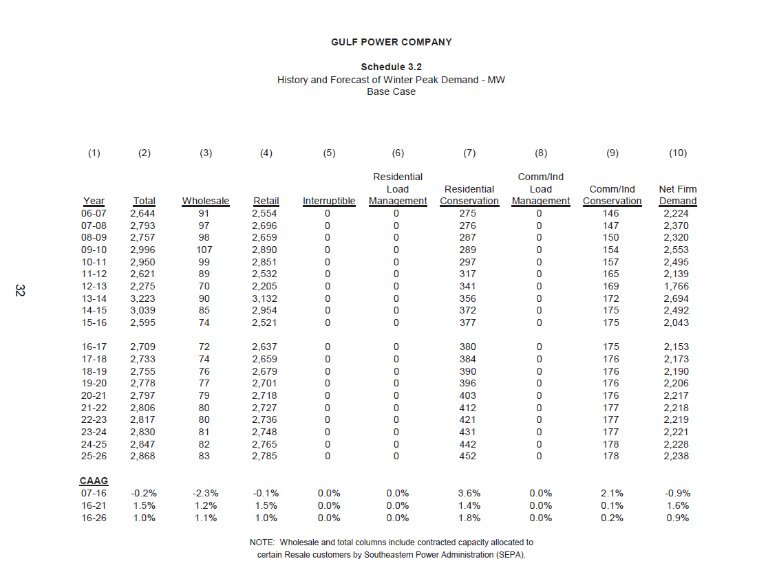
Gulf Peak Demand Forecast (from 10 year site plan)

