TECO Dashboard
Summary tables for all three sectors (Res/Com/Ind):

Table 1. Theoretically Technical Potential Savings for Residential, Commercial, and Industrial Sectors |  |  |  |  |  | Results Compare from 2013 Revision |  |  |  |  | Results Compare from ITRON 2009

 |  | Residential | Non-Residential | Total |  |  | Residential | Non-Residential | Total |  |  | Residential | Non-Residential | Total
 | 2020 Summer Baseline (MW) | 2,441 | 1,694 | 4,135 |  | Summer Baseline (MW) | - | - | 0 |  | Summer Baseline (MW) | - | - | 0
 | Technical Summer Peak Savings (MW) | 1,208 | 1,191 | 2,398 |  | Summer Peak Savings (MW) | - | - | 0 |  | Summer Peak Savings (MW) | - | - | 0
 | % of Summer Baseline | 49% | 70% | 58% |  | % of Summer Baseline | No Data | No Data | No Data |  | % of Summer Baseline | No Data | No Data | No Data
 | 2020 Winter Baseline (MW) | 2,419 | 1,516 | 3,935 |  | Winter Baseline (MW) | - | - | 0 |  | Winter Baseline (MW) | - | - | 0
 | Technical Winter Peak Savings (MW) | 1,645 | 1,171 | 2816 |  | Winter Peak Savings (MW) | - | - | 0 |  | Winter Peak Savings (MW) | - | - | 0
 | % of Winter Baseline | 68% | 77% | 72% |  | % of Winter Baseline | No Data | No Data | No Data |  | % of Winter Baseline | No Data | No Data | No Data

Table 2. Summer Peak Baseline by Segment by Sector

 | Residential |  |  |  | GS |  |  |  | GSD
 | Segment | MW | % of Sector Baseline |  | Segment | MW | % of Sector Baseline |  | Segment | MW | % of Sector Baseline
 | Single Family | 1,813 | 74% |  | 0-15,000 kWh | 47 | 23% |  | 0-50 kW | 164 | 11%
 | Multi-Family | 445 | 18% |  | 15,001-25,000 kWh | 39 | 19% |  | 51-300 kW | 475 | 32%
 | Mobile Home/Other | 183 | 7% |  | 25,001-50,000 kWh | 76 | 37% |  | 301-500 kW | 188 | 13%
 |  |  |  |  | 50,000 kWh+ | 42 | 21% |  | 501 kW+ | 662 | 44%
 | Total | 2,441 | 100% |  | Total | 205 | 100% |  | Total | 1,489 | 100%

Table 3. Winter Peak Baseline by Segment by Sector

 | Residential |  |  |  | GS |  |  |  | GSD
 | Segment | MW | % of Sector Baseline |  | Segment | MW | % of Sector Baseline |  | Segment | MW | % of Sector Baseline
 | Single Family | 1,690 | 70% |  | 0-15,000 kWh | 43 | 23% |  | 0-50 kW | 115 | 9%
 | Multi-Family | 495 | 20% |  | 15,001-25,000 kWh | 34 | 18% |  | 51-300 kW | 429 | 32%
 | Mobile Home/Other | 234 | 10% |  | 25,001-50,000 kWh | 57 | 31% |  | 301-500 kW | 187 | 14%
 |  |  |  |  | 50,000 kWh+ | 49 | 27% |  | 501 kW+ | 601 | 45%
 | Total | 2,419 | 100% |  | Total | 183 | 100% |  | Total | 1,333 | 100%

Table 4. Summer Peak Potential by End Use by Sector (UNADJUSTED)

 | Residential |  |  |  | GS |  |  |  | GSD
 | End Use | MW | % of Sector Baseline |  | End Use | MW | % of Sector Baseline |  | End Use | MW | % of Sector Baseline
 | Space Heating | 0 | 0% |  | Space Heating | 0 | 0% |  | All | 1,461 | 98%
 | Space Cooling | 1,422 | 58% |  | Space Cooling | 99 | 48%
 | Water Heater | 275 | 11%
 | Pool Pump | 125 | 5%
 | Total | 1,822 | 75% |  | Total | 99 | 48% |  | Total | 1,461 | 98%

Table 5. Winter Peak Potential by End Use by Sector (UNADJUSTED)

 | Residential |  |  |  | GS |  |  |  | GSD
 | End Use | MW | % of Sector Baseline |  | End Use | MW | % of Sector Baseline |  | End Use | MW | % of Sector Baseline
 | Space Heating | 1,590 | 66% |  | Space Heating | 63 | 34% |  | All | 1,308 | 98%
 | Space Cooling | 0 | 0% |  | Space Cooling | 0 | 0%
 | Water Heater | 281 | 12%
 | Pool Pump | 95 | 4%
 | Total | 1,967 | 81% |  | Total | 63 | 34% |  | Total | 1,308 | 98%

Table 6. Summer Peak Potential by End Use by Sector (ADJUSTED)
Space Heating | 63
Space Cooling | 0
 | 1
 | 1
 | 1
 | Residential |  |  |  | GS |  |  |  | GSD
 | End Use | MW | % of Sector Baseline |  | End Use | MW | % of Sector Baseline |  | End Use | MW | % of Sector Baseline
 | Space Heating | 0 | 0% |  | Space Heating | 0 | 0% |  | All | 1,114 | 75%
 | Space Cooling | 902 | 37% |  | Space Cooling | 77 | 38%
 | Water Heater | 206 | 8%
 | Pool Pump | 100 | 4%
 | Total | 1,208 | 49% |  | Total | 77 | 38% |  | Total | 1,114 | 75%

Table 7. Winter Peak Potential by End Use by Sector (ADJUSTED)

 | Residential |  |  |  | GS |  |  |  | GSD
 | End Use | MW | % of Sector Baseline |  | End Use | MW | % of Sector Baseline |  | End Use | MW | % of Sector Baseline
 | Space Heating | 1,334 | 55% |  | Space Heating | 41 | 22% |  | All | 1,130 | 85%
 | Space Cooling | 0 | 0% |  | Space Cooling | 0 | 0%
 | Water Heater | 216 | 9%
 | Pool Pump | 95 | 4%
 | Total | 1,645 | 68% |  | Total | 41 | 22% |  | Total | 1,130 | 85%

 | End Use | Summer MW | Winter MW |  | End Use | Summer MW | Winter MW |  | End Use | Summer MW | Winter MW
 | Space Heating | 0 | 1,334 |  | Space Heating | 0 | 41 |  | 0-50 kW | 125 | 100
 | Space Cooling | 902 | 0 |  | Space Cooling | 77 | 0 |  | 51-300 kW | 362 | 371
 | Water Heater | 206 | 216 |  |  |  |  |  | 301-500 kW | 143 | 161
 | Pool Pump | 100 | 95 |  |  |  |  |  | 501 kW + | 484 | 498
 | Total | 1,208 | 1,645 |  | Total | 77 | 41 |  | Total | 1,114 | 1,130

TECO TP Inputs
TECO Technical Potential 2018 (Scaled to 2020)
 | Res Curtailable Load (MW) | GS Curtailable Load (MW) | GSD Curtailable Load (MW) | Non-Res Curtailable | Total Curtailable Load (MW) | System Load (MW) | % of System Load
Summer | 1,822 | 99 | 1,461 | 1,560 | 3,382 | 4,209 | 80.3%
Winter | 1,967 | 63 | 1,308 | 1,371 | 3,337 | 4,156 | 80.3%

TECO Technical Potential - 2009 Study
 | Res Curtailable Load (MW) | GS Curtailable Load (MW) | GSD Curtailable Load (MW) | Non-Res Curtailable | Total Curtailable Load (MW) | Res Baseline | NonRes Baseline | System Load (MW) | % of System Load
Summer | - | - | - | - | - | - | - | - | -
Winter | - | - | - | - | - | - | - | - | -
TECO Technical Potential - 2014 Study
 | Res Curtailable Load (MW) | GS Curtailable Load (MW) | GSD Curtailable Load (MW) | Non-Res Curtailable | Total Curtailable Load (MW) | Res Baseline | NonRes Baseline | System Load (MW) | % of System Load
Summer | - | - | - | - | - | - | - | - | -
Winter | - | - | - | - | - | - | - | - | -

Winter Peak Loads (kW)
 | Res Segments Heating Load (kW) |  | GS Segments Heating Load (kW) |  | GSD Segments Total Load (kW) |  | Residential Pool Pump and Water Heater Load
Population | Single Family | 880,822 | 0-15,000 kWh | 12,847 | 0-50 kW | 92,730 | SF Pool Pump | 38,432 | SF Water Heater | 124,670
 | Multi-Family | 258,797 | 15,001-25,000 kWh | 9,271 | 51-300 kW | 344,821 | MF Pool Pump | 29,515 | MF Water Heater | 77,462
 | Mobile Home/Other | 138,165 | 25,001-50,000 kWh | 15,516 | 301-500 kW | 149,896 | MH Pool Pump | 8,219 | MH Water Heater | 23,822
 | Total | 1,277,784 | 50,001 kWh + | 12,888 | 501 kW + | 463,209 | Total Pool Pump | 76,166 | Total Water Heater | 225,954
 |  |  | Total | 50,521 | Total | 1,050,656

Summer Peak Loads by End Use (kW)
 | Res Segments Cooling Load (kW) |  | GS Segments Cooling Load (kW) |  | GSD Segments Total Load (kW) |  | Residential Pool Pump and Water Heater Load
Population | Single Family | 1,042,854 | 0-15,000 kWh | 27,337 | 0-50 kW | 160,783 | SF Pool Pump | 61,682 | SF Water Heater | 148,990
 | Multi-Family | 231,254 | 15,001-25,000 kWh | 17,514 | 51-300 kW | 466,634 | MF Pool Pump | 47,371 | MF Water Heater | 92,572
 | Mobile Home/Other | 121,665 | 25,001-50,000 kWh | 36,208 | 301-500 kW | 183,870 | MH Pool Pump | 13,191 | MH Water Heater | 28,470
 | Total | 1,395,773 | 50,001 kWh + | 15,861 | 501 kW + | 622,990 | Total Pool Pump | 122,244 | Total Water Heater | 270,032
 |  |  | Total | 96,920 | Total | 1,434,277

2016 Technical Potential
 | Peak Day | Peak Hour (HE) | Residential Curtailable Load (MW) | Total Residential Load (MW) | GS Curtailable Load (MW) | GS Total Load (MW) | GSD Curtailable Load (MW) | Total Curtailable Load (MW) | System Load (MW) | % of System Load
Summer | 2016-07-05 | 18 | 1,788 | 2,396 | 97 | 201 | 1,434 | 3,319 | 4,131 | 80.30%
Winter | 2016-01-25 | 8 | 1,580 | 1,943 | 51 | 147 | 1,051 | 2,681 | 3,339 | 80.30%

ADJUSTED TP RESULTS
...
 |  |  | 0-15,000 kWh | 43,096 | 0.80 | 1.08 | 34,395 | 46,525
 |  |  | 15,001-25,000 kWh | 9,401 | 2.88 | 4.09 | 27,048 | 38,415
 |  |  | 25,001-50,000 kWh | 9,062 | 5.10 | 8.22 | 46,191 | 74,490
 |  |  | 50,001 kWh + | 3,289 | 11.95 | 12.63 | 39,314 | 41,528
 |  |  | Total | 64,848 |  |  | 146,948 | 200,959
 |  |  | 0-50 kW | 8,294 | 11.18 | 19.39 | 92,730 | 160,783
 |  |  | 51-300 kW | 6,173 | 55.86 | 75.59 | 344,821 | 466,634
 |  |  | 301-500 kW | 702 | 213.83 | 262.30 | 150,110 | 184,132
 |  |  | 501 kW + | 702 | 688.28 | 925.69 | 483,169 | 649,835
 |  |  | Total | 15,841 |  |  | 1070829.87 | 1,461,385

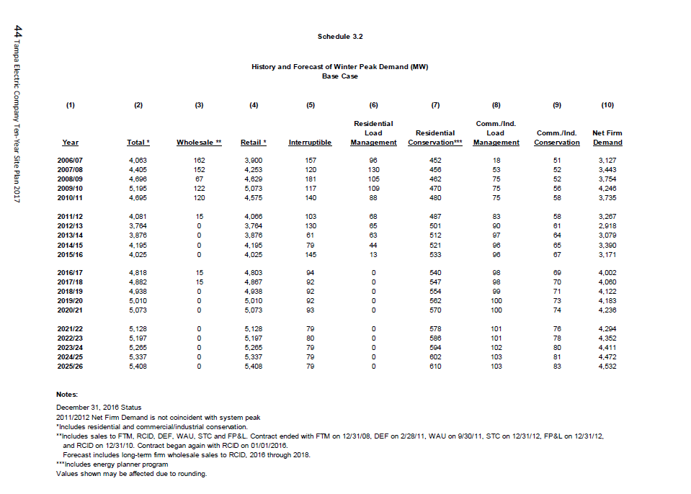
TECO Peak Demand (from 10 year site plan)
