TEC 2021 MFR and PGS precedent
TEC MFR on Parent Debt

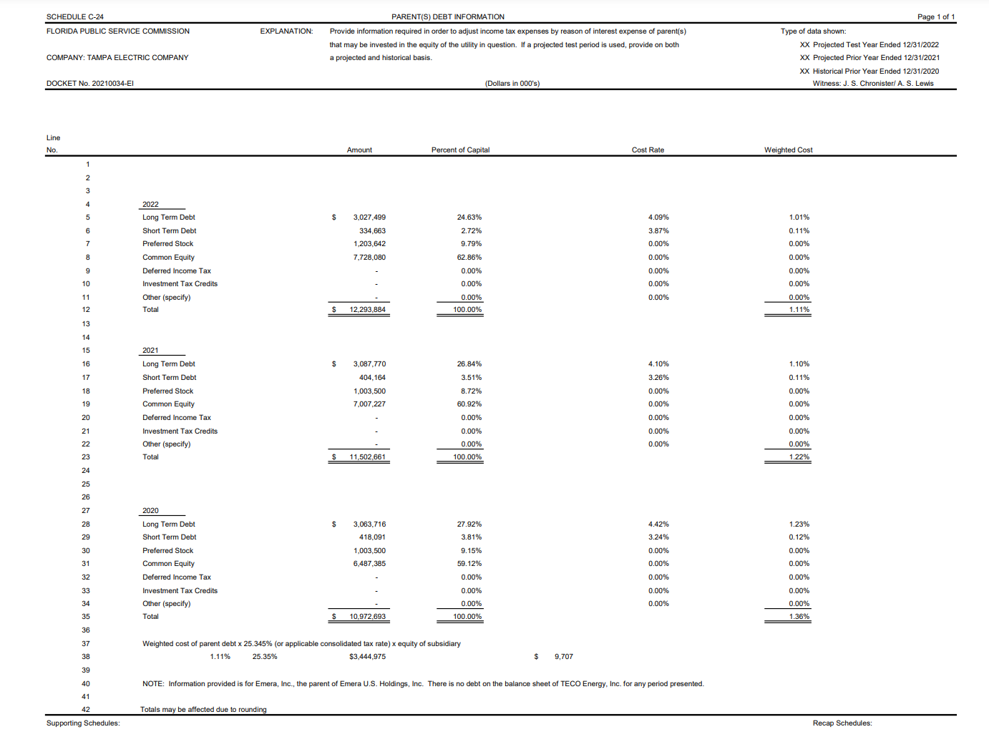

PGS Staff Interrogatory C-26

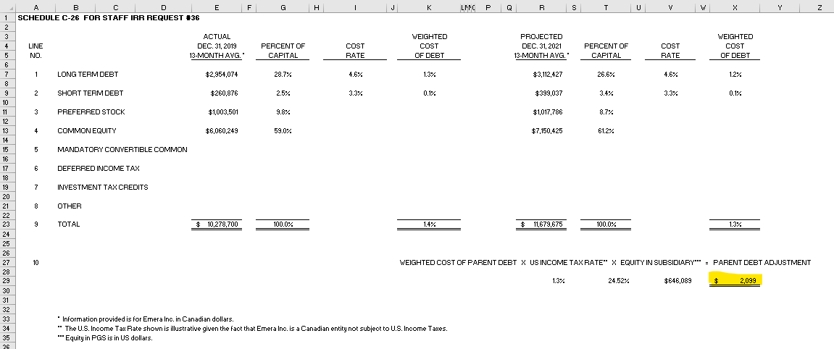

 | To C-26

