2-8 11 15 Benefit Cost - 2025
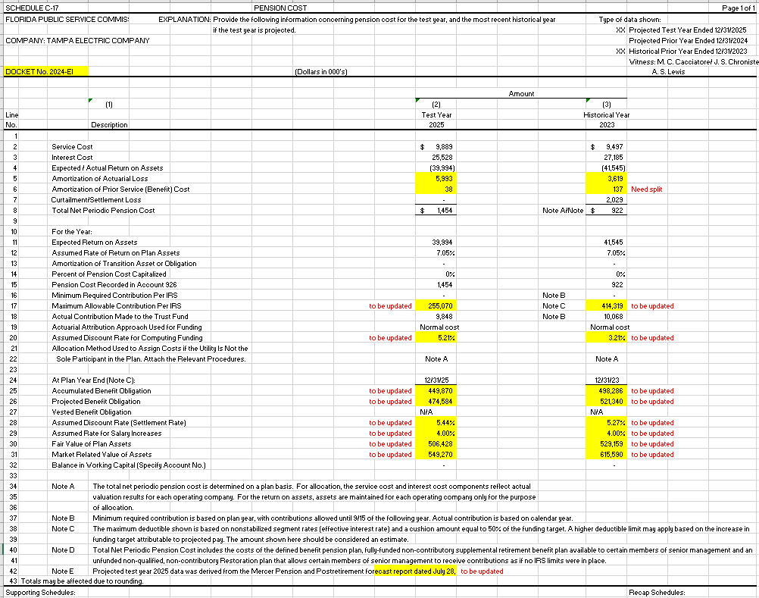
 | QP - TEC | SERP - TEC | BRP - TEC | Total
Service Cost | 9,844,807 | - | 43,805 | 9,888,612
Interest Cost | 25,426,974 | 69,731 | 30,796 | 25,527,501
Expected/Actual Return on Assets | (39,993,664) | - | - | (39,993,664)
Amortization of Actuarial Loss | 5,939,270 | 37,085 | 55,048 | 6,031,403
Amortization of Prior Service Cost | - | - | - | -
Settlement Cost | - | - | - | -
Total Net Periodic Pension Cost | 1,217,387 | 106,816 | 129,649 | 1,453,852

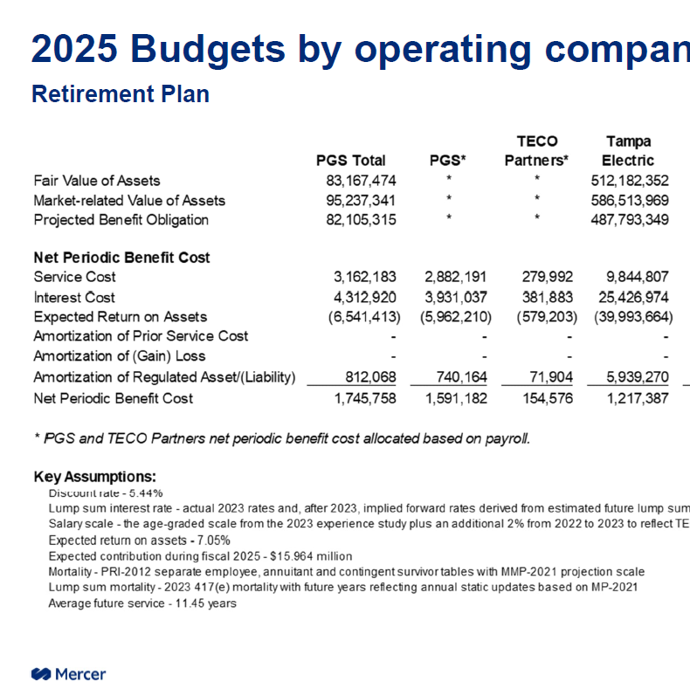

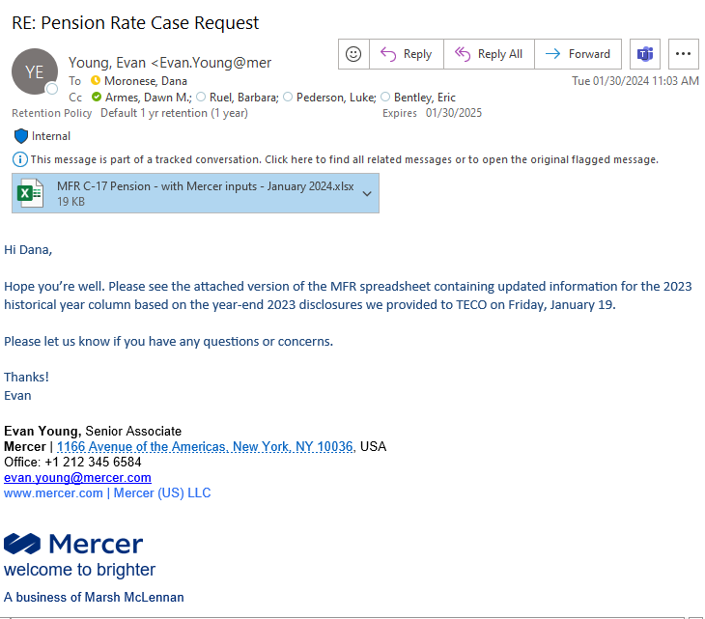

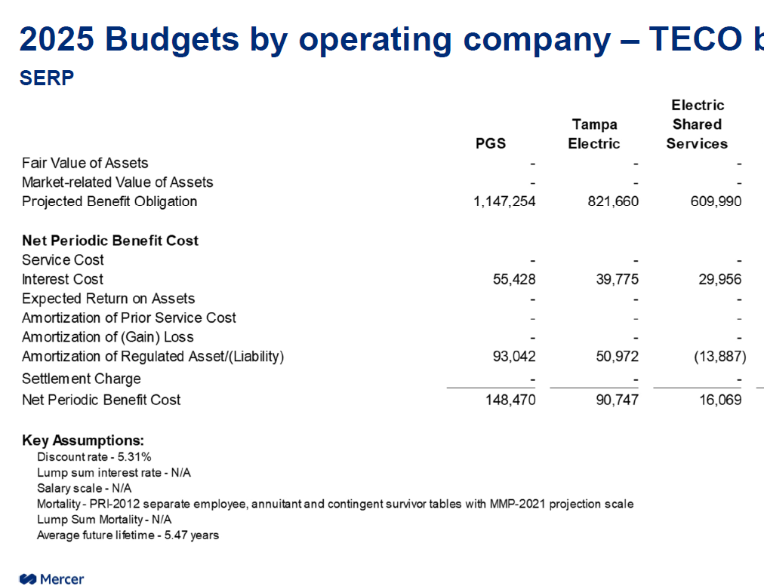

 |  |  |  |  |  | 106816

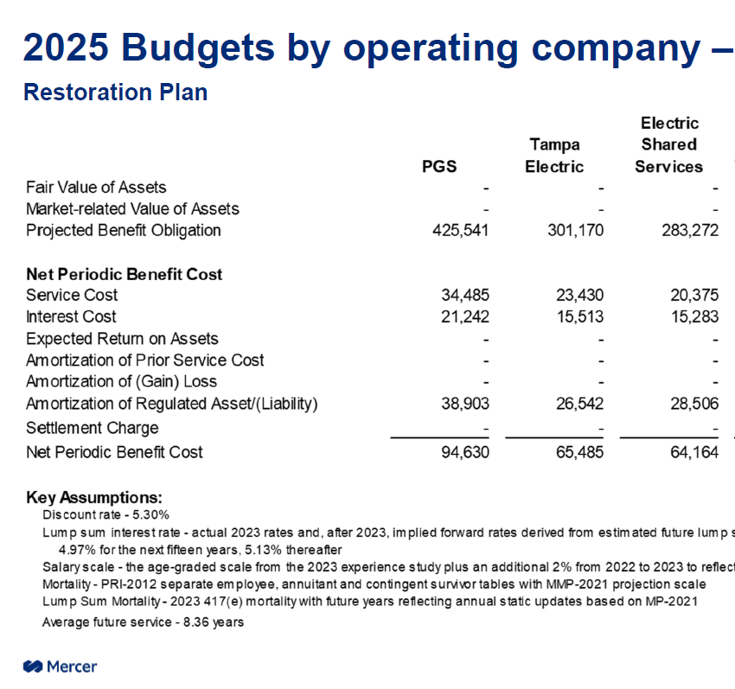

 |  |  |  |  | 129649

12 Exp Return on Asst 2025
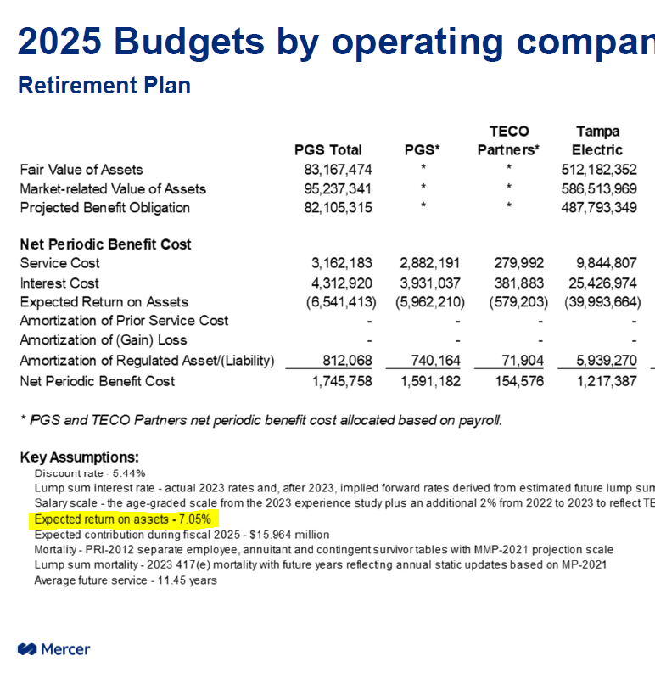

7.05%

18 Funding 2025
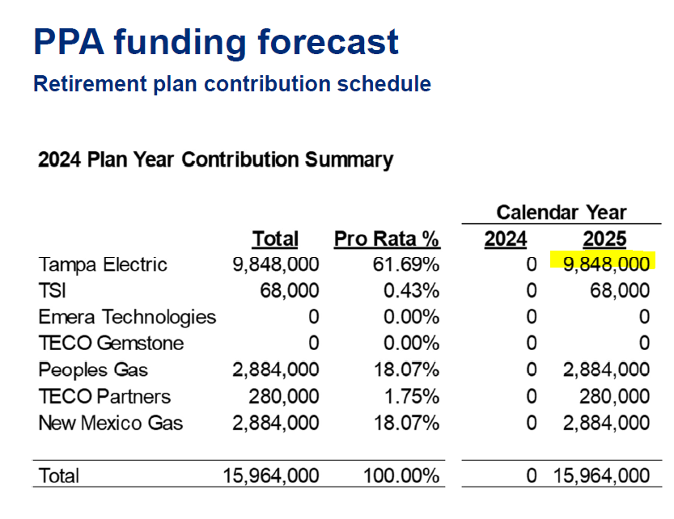

Line 18
Calendar Year - 2025
9,848,000 | Tampa Electric

