3
OPC 012586
FPL RC-16
From Detailed COS ID Income Statement Report
Scenario: Multiple
Actual Year 2013
Account # | Description | Amount | W/P Ref
INC101110 | Steam Power Fuel - Oil Gas, & Coal | 518,333,708 | Tab 5 - B60
INC101210 | Steam Power Fuel - Non Recv Exp | 10,443,794 | Tab 5 - B61
INC118110 | Nuclear Power - Nuclear Fuel Expense | 168,309,387 | Tab 5 - B81
INC118151 | Nuclear Power - Nucl Fuel Exp - Fuel Disposable | 23,710,879 | Tab 5 - B82
INC118180 | Nuclear Power - Plant Recoverable Adjustment |  | N/A
A
INC118210 | Nuclear Power - Plant Recoverable Adjustment | 11,753,697 | Tab 5 - B84
INC147200 | Other Power - Fuel Non Recov Annual Emission | 2,185,631 | Tab 5 - B106
INC147110 | Other Power - Fuel - Oil Gas & Coal | 2,382,126,547 | Tab 5 - B105
INC155110 | Other Power - Purchased Power Interchange | 264,907,836 | Tab 5 - B120
INC155210 | Other Power - Non Recoverable |  | N/A
INC155410 | Other Power - UPS Capacity | 467,644,057 | Tab 5 - B123
INC155431 | Other Power - SJRPP Cap |  | N/A
INC157980 | Other Power - Other Expenses - Deferred | 49,283 | N/A
 | Subtotal Power Cost | 3,849,464,819 | Σ

B
 | Steam Power Generation | 616,904,427 | Tab 5 - B77
 | Nuclear Power Generation | 618,055,535 | Tab 5 - B100
 | Other Power Generation | 3,170,314,068 | Tab 5 - B130
 | Total Power Generation | 4,405,274,030 | Σ

B - A
 | Power Production Expense | 555,809,210

 | Transmission Expenses | 90,853,356 | Tab 5 - B149

 | Distribution Expenses | 265,812,537 | Tab 5 - B174

 | Customer Accounts Expenses | 134,779,439 | Tab 5 - B182

 | Customer Service & Info Expenses | 137,368,688 | Tab 5 - B192

 | Demonstrating & Selling Expenses | 4,581,753 | Tab 5 - B196

 | Administrative & General Expenses | 407,584,510 | Tab 5 - B227

 | Total O & M Expenses | 1,596,789,494 | Σ

4
OPC 012587
FPL RC-16
From Detailed COS ID Income Statement Report
Scenario: Multiple
Actual Year 2014
Account # | Description | Amount |  | W/P Ref
INC101110 | Steam Power Fuel - Oil Gas, & Coal | 311,382,568 |  | Tab 5 - C60
INC101210 | Steam Power Fuel - Non Recv Exp | 7,686,893 |  | Tab 5 - C61
INC118110 | Nuclear Power - Nuclear Fuel Expense | 186,439,636 |  | Tab 5 - C81
INC118151 | Nuclear Power - Nucl Fuel Exp - Fuel Disposable | 8,789,711 |  | Tab 5 - C82
INC118180 | Nuclear Power - Plant Recoverable Adjustment |  |  | N/A
INC118210 | Nuclear Power - Plant Recoverable Adjustment | 11,753,697 |  | Tab 5 - C84
INC147200 | Other Power - Fuel Non Recov Annual Emission | 4,333,273 |  | Tab 5 - C106
INC147110 | Other Power - Fuel - Oil Gas & Coal | 2,976,807,696 |  | Tab 5 - C105
INC155110 | Other Power - Purchased Power Interchange | 313,024,786 |  | Tab 5 - C120
INC155210 | Other Power - Non Recoverable |  |  | N/A
INC155410 | Other Power - UPS Capacity | 463,420,002 |  | Tab 5 - C123
INC155431 | Other Power - SJRPP Cap | - |  | N/A
INC157980 | Other Power - Other Expenses - Deferred | (363,726) |  | Tab 5 - C129
 | Subtotal Power Cost | 4,283,274,535 |  | Σ

 | Steam Power Generation | 408,971,669 |  | Tab 5 - C77
 | Nuclear Power Generation | 591,401,886 |  | Tab 5 - C100
 | Other Power Generation | 3,834,021,929 |  | Tab 5 - C130
 | Total Power Generation | 4,834,395,484 |  | Σ

 | Power Production Expense | 551,120,949 | B - A

 | Transmission Expenses | 98,717,985 |  | Tab 5 - C149

 | Distribution Expenses | 268,585,167 |  | Tab 5 - C174

 | Customer Accounts Expenses | 118,415,397 |  | Tab 5 - C182

 | Customer Service & Info Expenses | 149,974,011 |  | Tab 5 - C192

 | Demonstrating & Selling Expenses | 9,536,271 |  | Tab 5 - C196

 | Administrative & General Expenses | 354,632,856 |  | Tab 5 - C227

 | Total O & M Expenses | 1,550,982,635 | - | Σ

A

B

7
 | OPC 012590
 | FPL RC-16
FR5109: F&O Revenue Report
 | Author | GXH0ORE |  | Status of Data | 01/1/2014 01:16:53

Table
 | Current Month DEC 2013 | Current Month Last Year DEC 2012 | Net Increase (Decrease) | % Change | QTD Current Year | QTD Last Year | QTD Net Increase/(Decrease) | QTD % Change | YTD JAN 2013 DEC 2013 | YTD_ JAN 2012 DEC 2012 | YTD Net Increase/(Decrease) | YTD % Change | 12 Months Ended DEC 2013 | 12 Months_ Ended DEC 2012 | 12 Months Net Increase/(Decrease) | 12 Months Ended % Change | QTD_ CMTH_CY | QTD_CMTH_PY | YTD_ CMTH_CY | YTD_ CMTH_PY | 12MTH_ CMTH_CY | 12MTH_ CMTH_PY
BILLED ELECTRIC REVENUES:
RESIDENTIAL | $413,200,998 | $363,544,304 | $49,656,694 | $0 | $1,366,426,265 | $1,271,135,319 | $95,290,946 | $0 | $5,662,615,209 | $5,592,268,154 | $70,347,055 | $0 | $5,662,615,209 | $5,592,268,154 | $70,347,055 | $0 | $1,366,426,265 | $1,271,135,319 | $5,662,615,209 | $5,592,268,154 | $5,662,615,209 | $5,592,268,154
COMMERCIAL | $315,420,739 | $302,045,862 | $13,374,877 | $0 | $970,656,467 | $962,115,794 | $8,540,673 | $0 | $3,867,843,192 | $3,923,945,113 | $(56,101,920) | $(0) | $3,867,843,192 | $3,923,945,113 | $(56,101,920) | $(0) | $970,656,467 | $962,115,794 | $3,867,843,192 | $3,923,945,113 | $3,867,843,192 | $3,923,945,113
INDUSTRIAL | $15,822,435 | $16,757,823 | $(935,389) | $(0) | $46,795,650 | $52,910,284 | $(6,114,633) | $(0) | $192,454,909 | $207,741,972 | $(15,287,063) | $(0) | $192,454,909 | $207,741,972 | $(15,287,063) | $(0) | $46,795,650 | $52,910,284 | $192,454,909 | $207,741,972 | $192,454,909 | $207,741,972
PUB SALES ST LTG & OTHER | $6,378,717 | $6,050,191 | $328,526 | $0 | $19,140,502 | $18,168,803 | $971,699 | $0 | $76,568,574 | $72,981,008 | $3,587,566 | $0 | $76,568,574 | $72,981,008 | $3,587,566 | $0 | $19,140,502 | $18,168,803 | $76,568,574 | $72,981,008 | $76,568,574 | $72,981,008
SALES RAILROADS & RAILWAYS | $631,457 | $561,174 | $70,283 | $0 | $1,923,922 | $1,725,205 | $198,717 | $0 | $7,647,129 | $6,786,550 | $860,579 | $0 | $7,647,129 | $6,786,550 | $860,579 | $0 | $1,923,922 | $1,725,205 | $7,647,129 | $6,786,550 | $7,647,129 | $6,786,550
SALES FOR RESALE | $9,918,109 | $8,862,156 | $1,055,953 | $0 | $32,399,801 | $33,587,610 | $(1,187,809) | $(0) | $131,805,315 | $135,265,350 | $(3,460,035) | $(0) | $131,805,315 | $135,265,350 | $(3,460,035) | $(0) | $32,399,801 | $33,587,610 | $131,805,315 | $135,265,350 | $131,805,315 | $135,265,350
TOTAL SALES OF ELECTRICITY | $761,372,456 | $697,821,510 | $63,550,946 | $0 | $2,437,342,606 | $2,339,643,013 | $97,699,593 | $0 | $9,938,934,329 | $9,938,988,147 | $(53,819) | $0 | $9,938,934,329 | $9,938,988,147 | $(53,819) | $0 | $2,437,342,606 | $2,339,643,013 | $9,938,934,329 | $9,938,988,147 | $9,938,934,329 | $9,938,988,147
RETAIL/WHOLESALE ANALYSIS-KWH
ENERGY SALES RETAIL-(BILLED) | 7,934,506,213 | 7,198,695,149 | 735,811,064 | 10.22 % | 25,238,153,860 | 24,071,943,072 | 1,166,210,788 | 4.84 % | 102,783,857,311 | 102,225,548,143 | 558,309,168 | 0.55 % | 102,783,857,311 | 102,225,548,143 | 558,309,168 | 0.55 % | 25,238,153,860 | 24,071,943,072 | 102,783,857,311 | 102,225,548,143 | 102,783,857,311 | 102,225,548,143
ENERGY SALES (WHOLESALE) - BILLED | 157,135,776 | 148,917,331 | 8,218,445 | 5.52 % | 521,618,324 | 542,322,262 | (20,703,938) | (3.82) % | 2,158,189,029 | 2,253,560,278 | (95,371,249) | (4.23) % | 2,158,189,029 | 2,253,560,278 | (95,371,249) | (4.23) % | 521,618,324 | 542,322,262 | 2,158,189,029 | 2,253,560,278 | 2,158,189,029 | 2,253,560,278
AVG. NO. OF CUSTOMER LOCATIONS
RESIDENTIAL | 4,136,766 | 4,061,984 | 74,782 | 1.84 % | 4,130,649 | 4,058,454 | 72,195 | 1.78 % | 4,097,172 | 4,052,174 | 44,998 | 1.11 % | 4,097,172 | 4,052,174 | 44,998 | 1.11 % | 12,391,947 | 12,175,363 | 49,166,060 | 48,626,086 | 49,166,060 | 48,626,086
COMMERCIAL | 521,269 | 513,438 | 7,831 | 1.53 % | 519,735 | 513,193 | 6,542 | 1.27 % | 516,500 | 511,887 | 4,613 | 0.90 % | 516,500 | 511,887 | 4,613 | 0.90 % | 1,562,502 | 1,539,580 | 6,212,480 | 6,142,642 | 6,212,480 | 6,142,642
INDUSTRIAL | 10,069 | 9,007 | 1,062 | 11.79 % | 10,012 | 8,974 | 1,038 | 11.56 % | 9,541 | 8,743 | 798 | 9.13 % | 9,541 | 8,743 | 798 | 9.13 % | 30,036 | 26,923 | 114,491 | 104,911 | 114,491 | 104,911
PUB SALES ST LIGHT & OTH | 3,721 | 3,657 | 64 | 1.75 % | 3,709 | 3,649 | 60 | 1.64 % | 3,689 | 3,615 | 74 | 2.05 % | 3,689 | 3,615 | 74 | 2.05 % | 11,127 | 10,947 | 44,269 | 43,378 | 44,269 | 43,378
SALES RAILROADS & RAILWAYS | 27 | 26 | 1 | 3.85 % | 27 | 26 | 1 | 2.56 % | 26 | 24 | 2 | 9.03 % | 26 | 24 | 2 | 9.03 % | 80 | 78 | 314 | 288 | 314 | 288
SUBTOTAL RETAIL | 4,671,852 | 4,588,112 | 83,740 | 1.83 % | 4,664,132 | 4,584,297 | 79,835 | 1.74 % | 4,626,927 | 4,576,442 | 50,485 | 1.10 % | 4,626,927 | 4,576,442 | 50,485 | 1.10 % | 13,995,692 | 13,752,891 | 55,537,614 | 54,917,305 | 55,537,614 | 54,917,305
SALES FOR RESALE | 7 | 7 | 0 | 0.00 % | 7 | 7 | 0 | 0.00 % | 7 | 7 | 0 | 0.00 % | 7 | 7 | 0 | 0.00 % | 21 | 21 | 84 | 79 | 84 | 79
TOTAL CUSTOMERS | 4,671,859 | 4,588,119 | 83,740 | 1.83 % | 4,664,139 | 4,584,304 | 79,835 | 1.74 % | 4,626,934 | 4,576,449 | 50,485 | 1.10 % | 4,626,934 | 4,576,449 | 50,485 | 1.10 % | 13,995,713 | 13,752,912 | 55,537,698 | 54,917,384 | 55,537,698 | 54,917,384
REVENUE STATISTICS
REVENUE PER BILLED KWH
RESIDENTIAL | $ 10.48 | $ 10.42 | $ 0.06 | 0.62 % | $ 10.49 | $ 10.44 | $ 0.04 | 0.41 % | $ 10.50 | $ 10.47 | $ 0.03 | 0.33 % | $ 10.50 | $ 10.47 | $ 0.03 | 0.33 % | $ 10.49 | $ 10.44 | $ 10.50 | $ 10.47 | $ 10.50 | $ 10.47
COMMERCIAL | $ 8.52 | $ 8.82 | $ (0.30) | (3.38) % | $ 8.55 | $ 8.75 | $ (0.20) | (2.28) % | $ 8.53 | $ 8.68 | $ (0.15) | (1.69) % | $ 8.53 | $ 8.68 | $ (0.15) | (1.69) % | $ 8.55 | $ 8.75 | $ 8.53 | $ 8.68 | $ 8.53 | $ 8.68
...
Table
 |  |  | 102754568363
 |  |  | 1154920961
 |  |  | 103,909,489,324

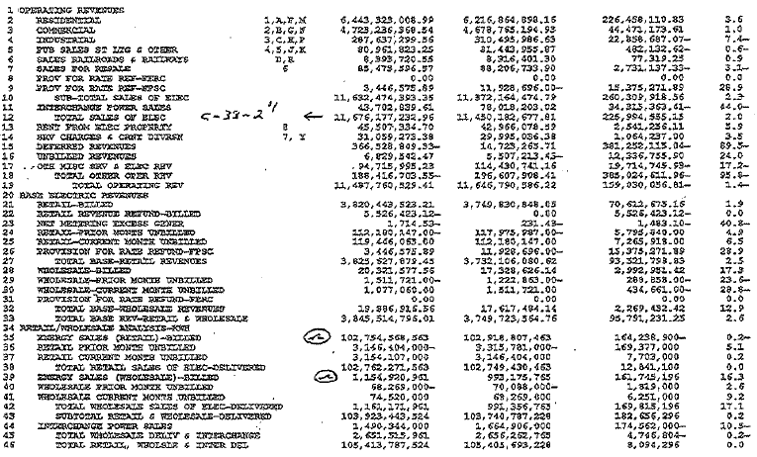

9
...
Tab 10 - B194

Tab 10 - C198

Tab 10 - C229

Σ

A

B

12
OPC 012595
FPL RC-16

F and O Page 8 - Statistical Data
 | Revenue Code | Current Month DEC 2015 | Current Month Last Year DEC 2014 | Net Increase (Decrease) | % Change | QTD Current Year | QTD Last Year | QTD Net Increase/(Decrease) | QTD % Change | YTD JAN 2015 DEC 2015
BILLED ELECTRIC REVENUES:
RESIDENTIAL | 1, A, F, M | $466,039,843 | $417,707,404 | $48,332,439 | 11.57 % | $1,517,061,182 | $1,396,887,932 | $120,173,250 | 8.60 % | $6,336,339,035
COMMERCIAL | 2, B,G,N | $336,733,969 | $321,975,119 | $14,758,850 | 4.58 % | $1,034,173,271 | $1,017,708,050 | $16,465,221 | 1.62 % | $4,142,506,422
INDUSTRIAL | 3,C,H,P | $17,240,282 | $16,205,787 | $1,034,495 | 6.38 % | $50,461,740 | $50,104,693 | $357,047 | 0.71 % | $203,597,993
PUB SALES ST LTG & OTHER | 4,5,J,K | $6,630,454 | $7,551,127 | $(920,672) | (12.19) % | $20,625,382 | $20,140,438 | $484,944 | 2.41 % | $80,243,631
SALES RAILROADS & RAILWAYS | D,R, | $667,061 | $668,673 | $(1,612) | (0.24) % | $2,034,389 | $2,083,874 | ($49,484) | (2.37) % | $8,227,651
SALES FOR RESALE | 6 | $32,561,718 | $27,371,349 | $5,190,369 | 18.96 % | $102,587,633 | $99,064,909 | $3,522,724 | 3.56 % | $412,461,794
TOTAL SALES OF ELECTRICITY |  | $859,873,327 | $791,479,458 | $68,393,869 | 8.64 % | $2,726,943,598 | $2,585,989,895 | $140,953,703 | 5.45 % | $11,183,376,526

RETAIL/WHOLESALE ANALYSIS-KWH
ENERGY SALES RETAIL-(BILLED) |  | 8,582,416,040 | 7,520,349,923 | 1,062,066,117 | 14.12 % | 27,092,142,779 | 24,504,572,570 | 2,587,570,209 | 10.56 % | 109,820,398,271
...

13
...
A
...
B

B - A

18
OPC 012601
FPL RC-16

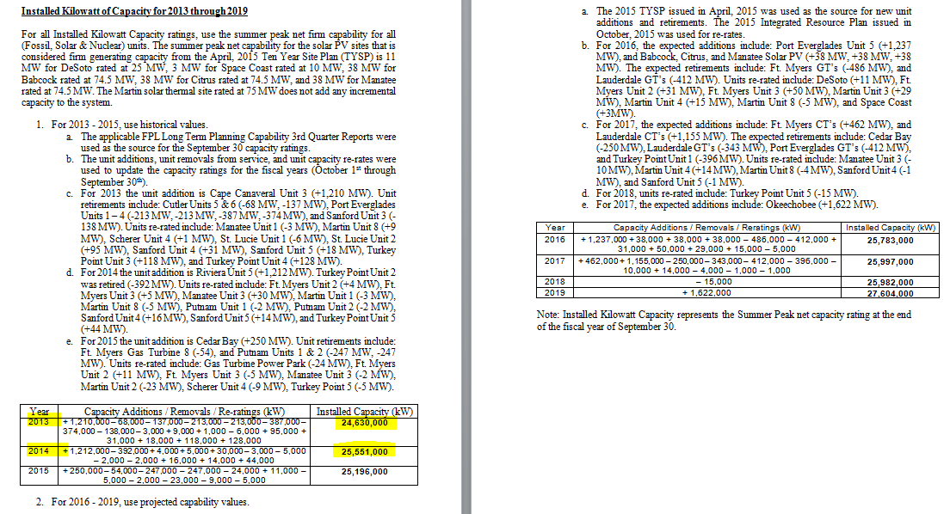
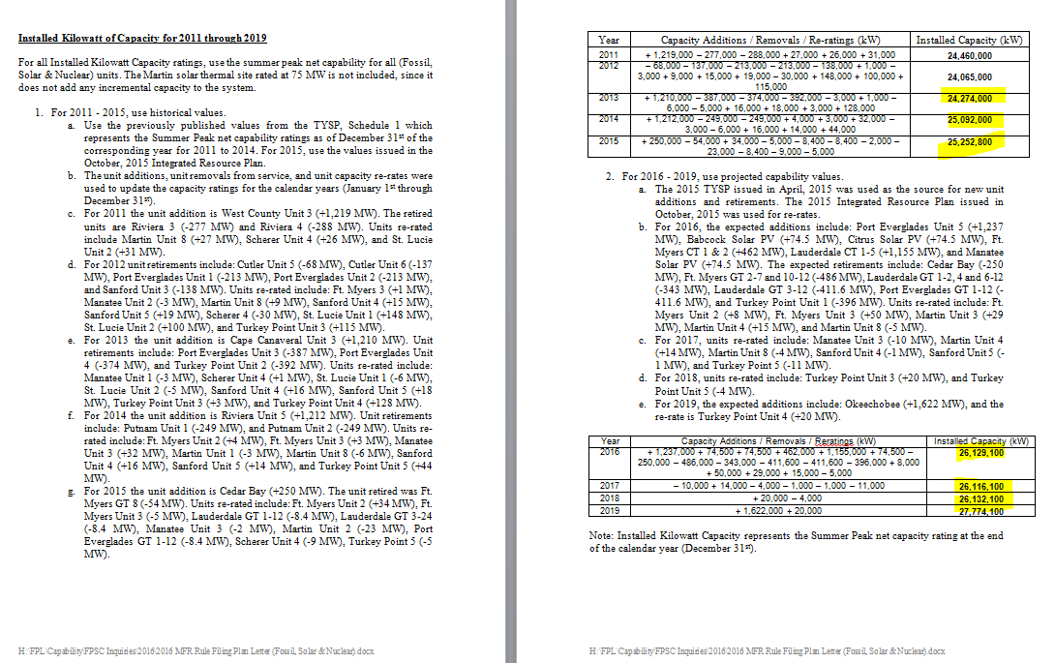
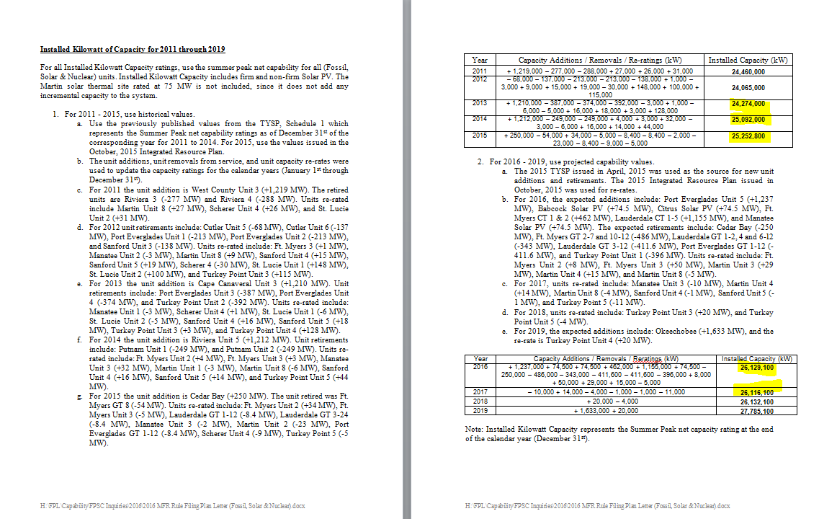

 | 2013 | 24,274,000
 | 2014 | 25,092,000
 | 2015 | 25,252,800
 | 2016 | 26,129,100
 | 2017 | 26,116,100
 | 2018 | 26,132,100

