Pension Allocation Support
Florida Power & Light Company
Docket No. 160021-EI
SFHHA's Fifth Set of Interrogatories
Interrogatory No. 133
Attachment No. 1
Tab 4 of 5

Support from Actuaries for Pensionable Earnings used in 2016 - 2018 Projected Pension Allocation to FPL
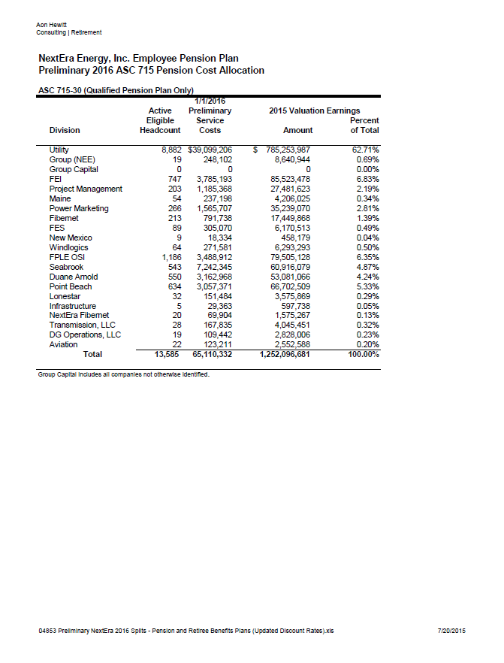

 | 2016 - 2018 FPL Pension Income Allocation
 | 62.72% | Utility (rounds to 62.72%)

 | Pensionable earnings used on Pension Alloc tab for 2016 - 2018

