OCT ICCA Calc
 |  | Gulf 002685
 |  | 20210179-EI
Area | Oct-17 | Oct-18 | Oct-19 | 3 YR AVG
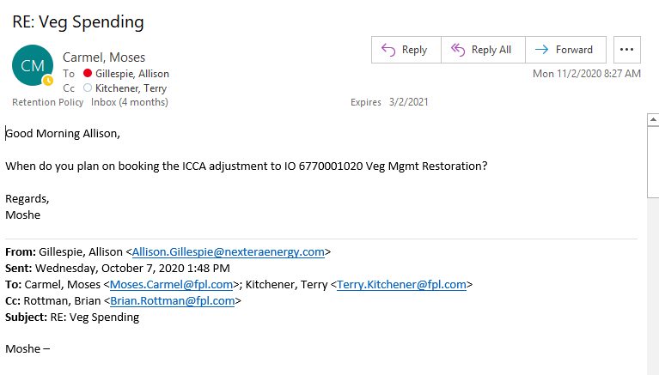
Distribution | $698,746.88 | $563,304.38 | $1,433,015.29 | $898,355.52
Transmission | $724,218.74 | $226,731.07 | $233,291.95 | $394,747.25
TOTAL |  |  |  | $1,293,102.77

Storm | Oct Act | % Storm Total
Sally | 750,000 | 33.69%
Zeta | 1,476,000 | 66.31%
TOTAL | 2,226,000

OCT ICCA Calculation - SALLY & ZETA
3YR Avg | $1,293,102.77 | Sept 17, 18, and 19 - Contractor Labor
2020 Actuals | $309,587.54 | Veg IM Position Contractor Labor
Difference | $983,515.23 | ICCA Adjustment Total - Oct 2020

STORM | ICCA Adj $ | Storm Inc Bal
SALLY ICCA | $331,373.06 | $418,626.94
ZETA ICCA | $652,142.17 | $823,857.83
TOTAL | $983,515.23 | $1,242,484.77
 | BU O&M Impact

3 YR AVG
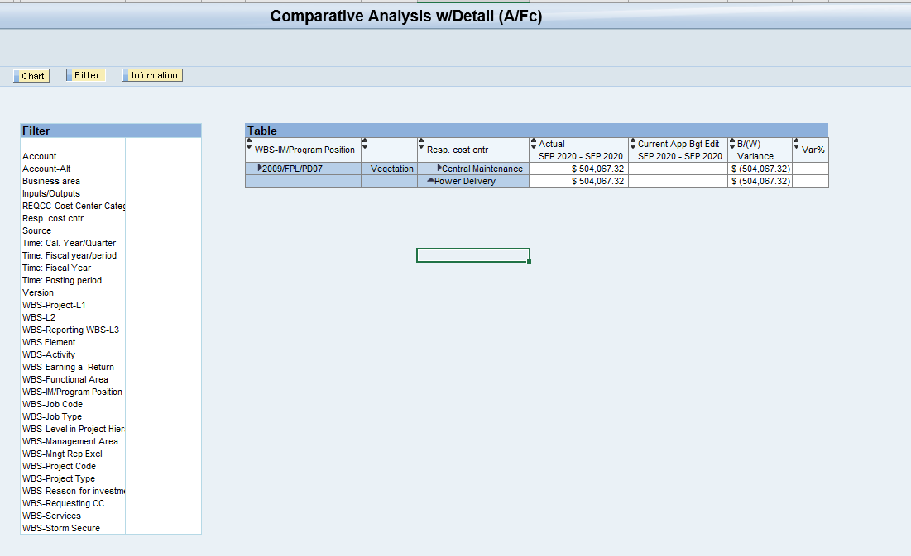
 |  | Gulf 002687
 |  | 20210179-EI
Area | Sep-17 | Sep-18 | Sep-19 | 3 YR AVG
Distribution | $413,636.54 | $804,796.47 | $581,891.05 | $600,108.02
Transmission | $252,096.49 | $117,742.17 | $423,242.88 | $264,360.51
TOTAL | $665,733.03 | $922,538.64 | $1,005,133.93 | $864,468.53

Area | Oct-17 | Oct-18 | Oct-19 | 3 YR AVG
Distribution | $698,746.88 | $563,304.38 | $1,433,015.29 | $898,355.52
Transmission | $724,218.74 | $226,731.07 | $233,291.95 | $394,747.25

Area | Nov-17 | Nov-18 | Nov-19 | 3 YR AVG
Distribution | $1,061,089.00 | $558,070.54 | $639,226.30 | $752,795.28
Transmission | $332,660.73 | $226,731.07 | $119,644.23 | $226,345.34

September ICCA Calculation - SALLY
3YR Avg | $864,468.53 | Sept 17, 18, and 19 - Contractor Labor
2020 Actuals | $504,067.32 | Veg IM Position Contractor Labor
Difference | $360,401.21 | ICCA Adjustment for Sally - Sept 2020

September ICCA Adjustment (Cristobal & Sally)
ES0067000003 | $360,401.21 | SALLY
ES0039000005 | $183,603.80 | Cristobal
TOTAL ICCA | $544,005.01
Note: Above ICCA Adjustment reclassed to BU IO # 6770001020

September Veg Contractor Labor Actuals Breakdown
O&M Cont Lbr | $320,463.52 | <---As of 10/1/2020 @ 12pm EST
Cristobal ICCA | $183,603.80
Sally ICCA | $360,401.21
Total | $864,468.53

