Usage Tie Out
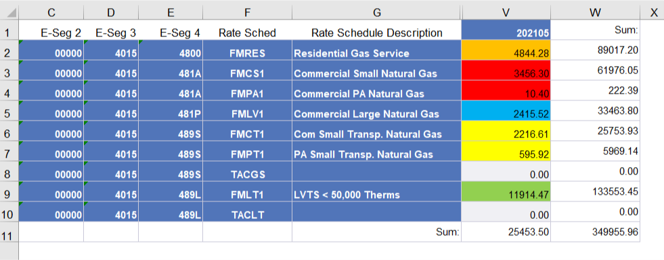
FT NG - Dashboard
2021-05-31

Row Labels | Sum of Usage | From ORP400 Report | Difference
Com Small Transp-Base | 2,812.53 | 2,812.53 | -
Com Small Transp-Base C Chg | - |  | -
Residential Base Rev customer | - |  | -
Residential Base Revenue | 4,844.28 | 4,844.28 | -
Small Commercial Base Rev-cust | - |  | -
Small Commercial Base Revenue | 3,466.70 | 3,466.70 | -
LV Transp Base Rev cust chg | - |  | -
LV Transportation Base Reven | 11,914.47 | 11,914.47 | -
Large Comml Base Rev Custm Chg | - |  | -
Large Commercial Base Revenue | 2,415.52 | 2,415.52 | -
Grand Total | 25,453.50 | 25,453.50 | -

