2021
 | FLORIDA PUBLIC UTILITIES
 | NATURAL GAS
 | ACCOUNT RECONCILIATION
 | FNXX-0000026PG-2530 or 16PG-1860
 | 2021-12-31

 |  |  |  |  |  |  |  |  |  |  |  |  |  |  |  |  | 11 MONTHS TOAL | Difference
 |  |  | JAN | FEB | MAR | APR | MAY | JUN | JUL | AUG | SEP | OCT | NOV | DEC | TOTAL
 | TRUE-UP CALCULATION
1 | FUEL COST [ FN%000005___80__ ] |  | 3,502,811.63 | 2,968,380.38 | 2,967,334.99 | 2,761,650.13 | 2,576,932.70 | 2,033,493.86 | 2,492,417.08 | 2,501,169.65 | 2,474,135.85 | 2,878,765.17 | 3,782,597.52 | 5,105,214.54 | 36,044,903.50 | FN%000005___80__ | 21,276,258.46 | 14,768,645.04
2 | FUEL REVENUES [ FN%00000401048__ & FN%000004011489_(incl Swing Svc)] |  | (4,702,209.89) | (3,878,857.98) | (3,468,985.86) | (3,576,084.53) | (2,996,369.76) | (2,279,208.21) | (2,294,345.21) | (1,931,735.85) | (2,290,651.66) | (2,043,893.71) | (2,349,617.94) | (3,231,050.03) | (35,043,010.63) | FN%000004010____ | (20,898,888.30) | (14,144,122.33)
3 | FUEL REVENUES (NET OF REVENUE TAX) | 1.00503 | (4,678,676.00) | (3,859,445.00) | (3,451,624.00) | (3,558,187.00) | (2,981,373.00) | (2,267,801.00) | (2,282,862.00) | (1,922,068.00) | (2,279,187.00) | (2,033,664.00) | (2,337,859.00) | (3,214,879.00) | (34,867,625.00)
4 | TRUE-UP - COLLECTED OR (REFUNDED) |  | (151,951.00) | (151,946.00) | (151,946.00) | (151,946.00) | (151,946.00) | (151,946.00) | (151,946.00) | (151,946.00) | (151,946.00) | (151,946.00) | (151,946.00) | (151,946.00) | (1,823,357.00)
5 | FUEL REVENUE APPLICABLE TO PERIOD | Add Lines 3 + 4 | (4,830,627.00) | (4,011,391.00) | (3,603,570.00) | (3,710,133.00) | (3,133,319.00) | (2,419,747.00) | (2,434,808.00) | (2,074,014.00) | (2,431,133.00) | (2,185,610.00) | (2,489,805.00) | (3,366,825.00) | (36,690,982.00)
6 | TRUE-UP - (OVER)/UNDER - THIS PERIOD | Line 5 - Line 1 | (1,327,815.00) | (1,043,011.00) | (636,235.00) | (948,483.00) | (556,386.00) | (386,253.00) | 57,609.00 | 427,156.00 | 43,003.00 | 693,155.00 | 1,292,793.00 | 1,738,390.00 | (646,079.00)
7 | INTEREST PROVISION -THIS PERIOD | Line 21 | 66.00 | (4.00) | (31.00) | (43.00) | (61.00) | (70.00) | (94.00) | (78.00) | (63.00) | (52.00) | 5.00 | 88.00 | (337.00) |  | 1515143.38
8 | BEGINNING OF PERIOD TRUE-UP AND INTEREST |  | 1,532,388.10 | 356,590.10 | (534,478.90) | (1,018,798.90) | (1,815,378.90) | (2,219,879.90) | (2,454,256.90) | (2,244,795.90) | (1,665,771.90) | (1,470,885.90) | (625,836.90) | 818,907.10 | 1,532,388.10 |  | 1536435
9 | TRUE-UP (COLLECTED) OR REFUNDED | Reverse of Line 4 | 151,951.00 | 151,946.00 | 151,946.00 | 151,946.00 | 151,946.00 | 151,946.00 | 151,946.00 | 151,946.00 | 151,946.00 | 151,946.00 | 151,946.00 | 151,946.00 | 1,823,357.00 |  | -21291.62
10 | Adjustment Made by Regulatory |  |  |  |  |  |  |  |  |  |  |  |  |  | -
11 | TOTAL TRUE-UP (OVER)/UNDER | Add Lines 6 + 7 + 8 + 9 + 10 | 356,590.10 | (534,478.90) | (1,018,798.90) | (1,815,378.90) | (2,219,879.90) | (2,454,256.90) | (2,244,795.90) | (1,665,771.90) | (1,470,885.90) | (625,836.90) | 818,907.10 | 2,709,331.10 | 2,709,329.10 |  |  | 001.2.*.2530.21

 | INTEREST PROVISION
12 | BEGINNING TRUE-UP | Line 8 | 1,532,388.10 | 356,590.10 | (534,478.90) | (1,018,798.90) | (1,815,378.90) | (2,219,879.90) | (2,454,256.90) | (2,244,795.90) | (1,665,771.90) | (1,470,885.90) | (625,836.90) | 818,907.10 | 1,532,388.10
13 | ENDING TRUE-UP BEFORE INTEREST | Add Lines 12 + 6 + 9 | 356,524.10 | (534,474.90) | (1,018,767.90) | (1,815,335.90) | (2,219,818.90) | (2,454,186.90) | (2,244,701.90) | (1,665,693.90) | (1,470,822.90) | (625,784.90) | 818,902.10 | 2,709,243.10 | 2,709,666.10
14 | TOTAL (12+13) | Add Lines 12 + 13 | 1,888,912.20 | (177,884.80) | (1,553,246.80) | (2,834,134.80) | (4,035,197.80) | (4,674,066.80) | (4,698,958.80) | (3,910,489.80) | (3,136,594.80) | (2,096,670.80) | 193,065.20 | 3,528,150.20 | 4,242,054.20
15 | AVERAGE | 50% of Line 14 | 944,456.10 | (88,942.40) | (776,623.40) | (1,417,067.40) | (2,017,598.90) | (2,337,033.40) | (2,349,479.40) | (1,955,244.90) | (1,568,297.40) | (1,048,335.40) | 96,532.60 | 1,764,075.10 | 2,121,027.10
16 | INTEREST RATE - FIRST DAY OF MONTH |  | 0.09% | 0.07% | 0.06% | 0.04% | 0.04% | 0.03% | 0.04% | 0.05% | 0.05% | 0.05% | 0.06% | 0.07%
17 | INTEREST RATE - FIRST DAY OF SUBSEQUENT MONTH |  | 0.07% | 0.06% | 0.040% | 0.040% | 0.03% | 0.04% | 0.05% | 0.05% | 0.05% | 0.06% | 0.07% | 0.05%
18 | TOTAL | Add Lines 16 + 17 | 0.16% | 0.13% | 0.10% | 0.08% | 0.07% | 0.07% | 0.09% | 0.10% | 0.10% | 0.11% | 0.13% | 0.12%
19 | AVERAGE | 50% of Line 18 | 0.080% | 0.065% | 0.050% | 0.040% | 0.035% | 0.035% | 0.045% | 0.050% | 0.050% | 0.055% | 0.065% | 0.060%
20 | MONTHLY AVERAGE | Line 19 / 12 mos. | 0.00700% | 0.00500% | 0.00400% | 0.00300% | 0.00300% | 0.00300% | 0.00400% | 0.00400% | 0.00400% | 0.00500% | 0.00500% | 0.00500%
21 | INTEREST PROVISION | Line 15 x Line 20 | 66 | (4) | (31) | (43) | (61) | (70) | (94) | (78) | (63) | (52) | 5 | 88 | (337.00)

 | UNBILLED FUEL BALANCE |  | (1,311,100.00) | (1,212,622.00) | (1,017,686.00) | (995,351.00) | (858,039.00) | (637,852.00) | (601,088.00) | (542,289.00) | (583,736.00) | (572,681.00) | (752,492.00) | (1,038,805.00)
 | FT (OVER)/UNDER RECOVERY BALANCE | (164,318.00) | (185,017.00) | (200,907.00) | (213,979.00) | (225,766.00) | (234,883.00) | (241,763.00) | (247,808.00) | (253,496.00) | (259,733.00) | (265,605.00) | (276,034.00) | (292,081.00)
 | (OVER)/UNDER RECOVERY BALANCE |  | (1,139,526.90) | (1,948,007.90) | (2,250,463.90) | (3,036,495.90) | (3,312,801.90) | (3,333,871.90) | (3,093,691.9) | (2,461,556.90) | (2,314,354.90) | (1,464,122.90) | (209,618.90) | 1,378,445.10
 | GL (26PG-2530) or 16PG-1860 |  | (1,139,526.90) | (1,948,007.90) | (2,250,463.90) | (3,036,495.90) | (3,312,801.90) | (3,333,871.90) | (3,093,691.90) | (2,461,556.90) | (2,314,354.90) | (1,464,122.90) | (209,618.90) | 1,378,445.10
 | VARIANCE |  | 0.00 | 0.00 | 0.00 | 0.00 | 0.00 | 0.00 | 0.00 | 0.00 | 0.00 | 0.00 | (0.00) | 0.00

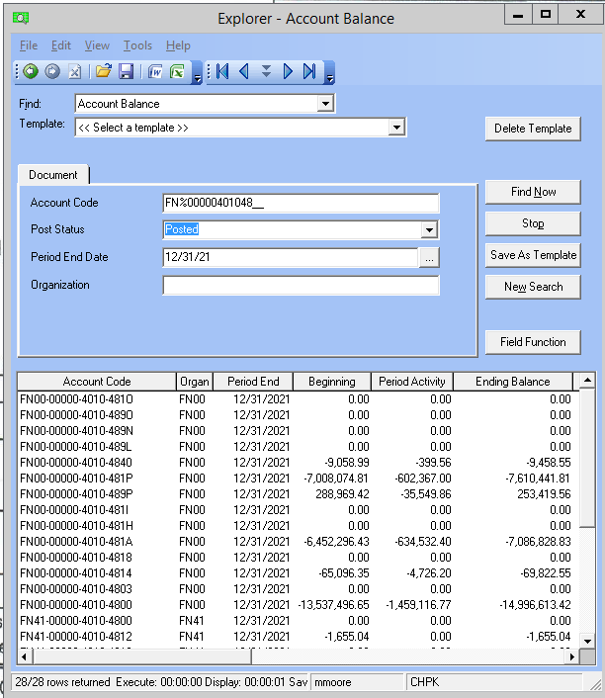
 |  |  |  |  |  |  |  |  |  |  |  |  |  |  | Date
 |  |  |  |  |  |  |  |  |  |  |  |  | Prepared By: | M G Moore | 2022-06-21 08:15:24

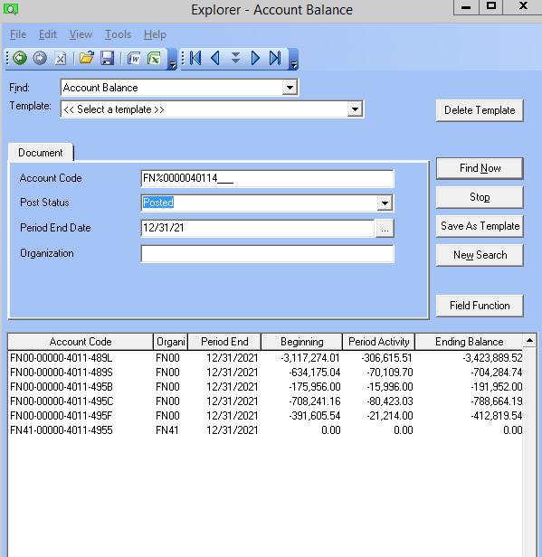

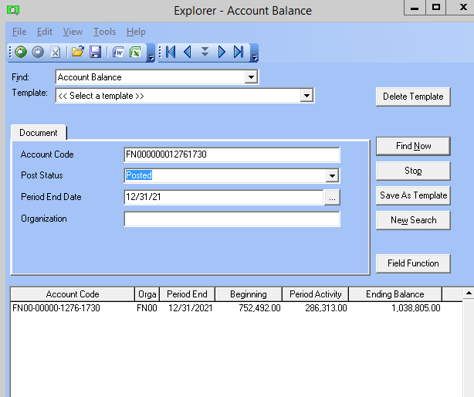
 |  |  |  |  |  |  |  |  |  |  |  |  |  |  |  | Seg 1 | FN%
 |  |  |  |  |  |  |  |  |  |  |  |  |  |  |  | Seg 2 | Blank
 |  |  |  |  |  |  |  |  |  |  |  |  |  |  |  | Seg 3 | 4010;4011
 |  |  |  |  |  |  |  |  |  |  |  |  |  |  |  | Seg 4 | 48%;49%

 |  |  |  |  |  |  |  |  |  |  |  |  |  |  |  | Seg 1 | FN%
 |  |  |  |  |  |  |  |  |  |  |  |  |  |  |  | Seg 2 | Blank
 |  |  |  |  |  |  |  |  |  |  |  |  |  |  |  | Seg 3 | 5%
 |  |  |  |  |  |  |  |  |  |  |  |  |  |  |  | Seg 4 | 80%

 |  |  |  |  |  |  |  |  |  |  |  |  |  |  |  |  |  |  | 752492

 |  |  |  |  |  |  |  |  | Total Fuel Rev Per GL Above | (3,231,050.03)
 |  |  |  |  |  |  |  |  | Diff bw GL & Input Above - Should be Zero | 0.00

 | FN%00000401048__
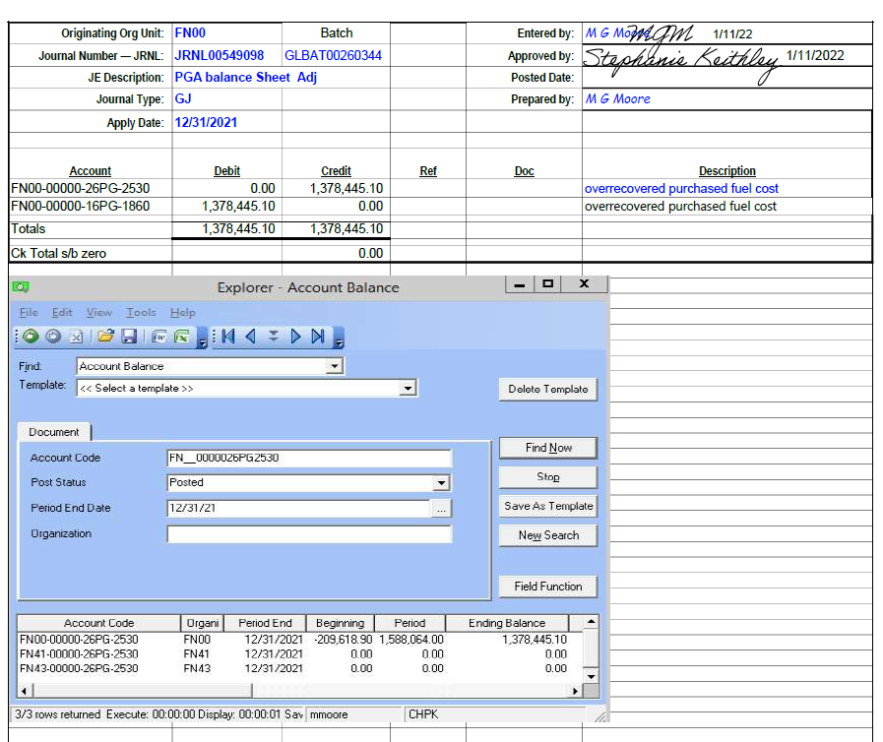
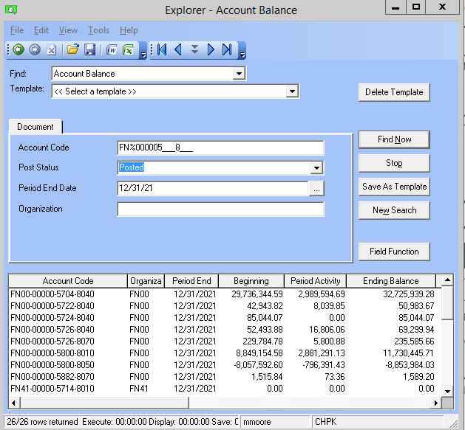

 | FN%000005___8___ |  |  | Total of GL Exp Above | 5,105,214.54
 |  |  |  | Diff bw GL & Input Above - Should be Zero | 0.00

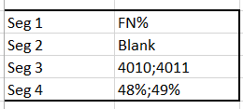

2020
 | FLORIDA PUBLIC UTILITIES
 | NATURAL GAS
 | ACCOUNT RECONCILIATION
 | FNXX-0000026PG-2530 or 16PG-1860
 | 2020-12-31

 |  |  |  |  |  |  |  |  |  |  |  |  |  |  |  |  | 11 MONTHS TOAL | Difference
 |  |  | JAN | FEB | MAR | APR | MAY | JUN | JUL | AUG | SEP | OCT | NOV | DEC | TOTAL
 | TRUE-UP CALCULATION
1 | FUEL COST [ FN%000005___80__ ] |  | 3,429,329.71 | 2,304,904.08 | 2,987,597.10 | 1,813,599.33 | 1,843,167.26 | 2,487,142.71 | 2,290,164.36 | 2,203,939.64 | 2,243,809.87 | 2,572,557.50 | 3,469,138.65 | 3,583,984.78 | 31,229,334.99 | FN%000005___80__ | 21,276,258.46 | 9,953,076.53
2 | FUEL REVENUES [ FN%00000401048__ & FN%000004011489_(incl Swing Svc)] |  | (3,455,336.62) | (3,163,538.19) | (2,812,256.82) | (2,118,328.56) | (2,076,946.94) | (1,742,690.60) | (1,759,199.99) | (1,577,586.82) | (1,685,235.21) | (1,849,915.55) | (2,442,118.25) | (3,535,776.81) | (28,218,930.36) | FN%000004010____ | (20,898,888.30) | (7,320,042.06)
3 | FUEL REVENUES (NET OF REVENUE TAX) | 1.00503 | (3,438,043.00) | (3,147,705.00) | (2,798,182.00) | (2,107,727.00) | (2,066,552.00) | (1,733,969.00) | (1,750,396.00) | (1,569,691.00) | (1,676,801.00) | (1,840,657.00) | (2,429,896.00) | (3,518,081.00) | (28,077,700.00)
4 | TRUE-UP - COLLECTED OR (REFUNDED) |  | (62,790.00) | (62,796.00) | (62,796.00) | (62,796.00) | (62,796.00) | (62,796.00) | (62,796.00) | (62,796.00) | (62,796.00) | (62,796.00) | (62,796.00) | (62,796.00) | (753,546.00)
5 | FUEL REVENUE APPLICABLE TO PERIOD | Add Lines 3 + 4 | (3,500,833.00) | (3,210,501.00) | (2,860,978.00) | (2,170,523.00) | (2,129,348.00) | (1,796,765.00) | (1,813,192.00) | (1,632,487.00) | (1,739,597.00) | (1,903,453.00) | (2,492,692.00) | (3,580,877.00) | (28,831,246.00)
...
20 | MONTHLY AVERAGE | Line 19 / 12 mos. | 0.13300% | 0.12900% | 0.14300% | 0.08900% | 0.01400% | 0.00900% | 0.00800% | 0.00800% | 0.00700% | 0.00700% | 0.00800%
21 | INTEREST PROVISION | Line 15 x Line 20 | (2,145) | (2,632) | (3,389) | (2,159) | (376) | (218) | (142) | (95) | (41) | 4 | 76

 | UNBILLED FUEL BALANCE |  | (1,014,918.00) | (1,037,770.00) | (918,338.00) | (712,425.00) | (641,653.00) | (549,077.00) | (488,094.00) | (453,998.00) | (517,712.00) | (627,649.00) | (804,019.00) | (1,188,774.00)
 | FT (OVER)/UNDER RECOVERY BALANCE |  | (47,569.00) | (62,152.00) | (77,323.00) | (84,748.00) | (95,757.00) | (102,161.00) | (107,805.00) | (113,798.00) | (122,061.00) | (132,272.00) | (141,686.00) | (164,318.00)
 | (OVER)/UNDER RECOVERY BALANCE |  | (2,681,595.90) | (3,564,463.90) | (3,274,176.90) | (3,371,975.90) | (3,535,973.90) | (2,696,845.90) | (2,101,880.9) | (1,439,623.90) | (944,632.90) | (332,875.90) | 520,659.10 | 179,296.10
 | GL (26PG-2530) or 16PG-1860 |  | (2,681,595.90) | (3,564,463.90) | (3,274,176.90) | (3,371,975.90) | (3,535,932.90) | (2,696,845.90) | (2,101,880.90) | (1,439,623.90) | (944,632.90) | (332,875.90) | 520,659.10 | 179,296.10
 | VARIANCE |  | 0.00 | 0.00 | 0.00 | 0.00 | (41.00) | 0.00 | 0.00 | 0.00 | 0.00 | 0.00 | 0.00 | 0.00

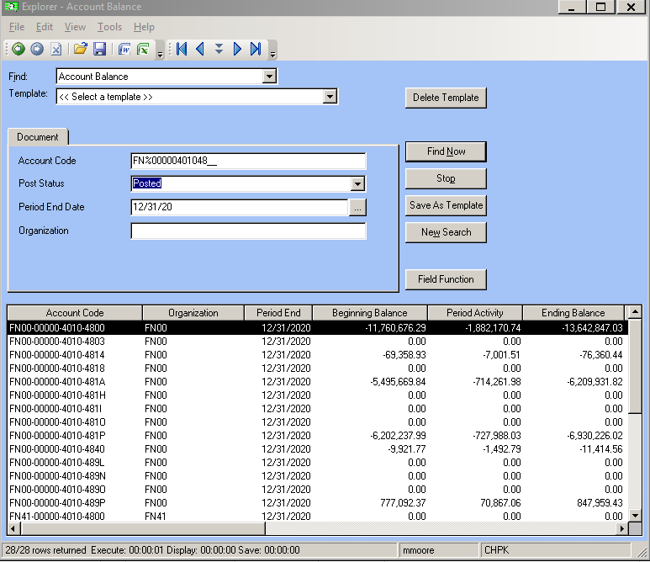
 |  |  |  |  |  |  |  |  |  |  |  |  |  |  | Date
 |  |  |  |  |  |  |  |  |  |  |  |  | Prepared By: | M G Moore | 2022-06-21 08:15:24

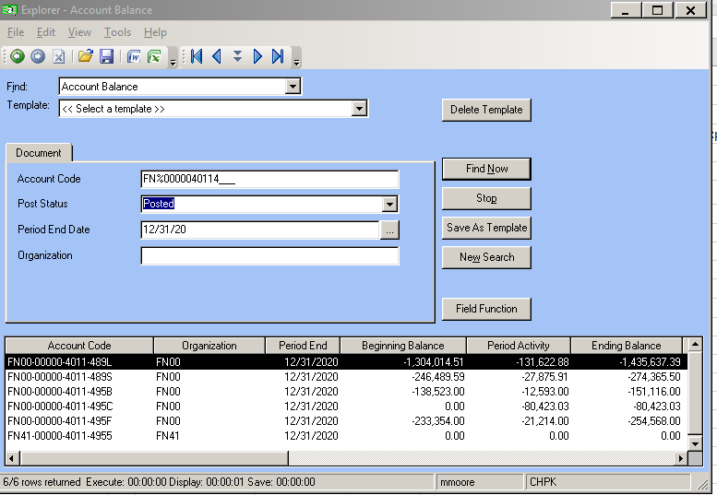

 |  |  |  |  |  |  |  |  |  |  |  |  |  |  |  | Seg 1 | FN%
 |  |  |  |  |  |  |  |  |  |  |  |  |  |  |  | Seg 2 | Blank
 |  |  |  |  |  |  |  |  |  |  |  |  |  |  |  | Seg 3 | 4010;4011
 |  |  |  |  |  |  |  |  |  |  |  |  |  |  |  | Seg 4 | 48%;49%

 |  |  |  |  |  |  |  |  |  |  |  |  |  |  |  | Seg 1 | FN%
 |  |  |  |  |  |  |  |  |  |  |  |  |  |  |  | Seg 2 | Blank
 |  |  |  |  |  |  |  |  |  |  |  |  |  |  |  | Seg 3 | 5%
 |  |  |  |  |  |  |  |  |  |  |  |  |  |  |  | Seg 4 | 80%

 |  |  |  |  |  |  |  |  | Total Fuel Rev Per GL Above | (3,535,776.81)
 |  |  |  |  |  |  |  |  | Diff bw GL & Input Above - Should be Zero | 0.00

 | FN%00000401048__

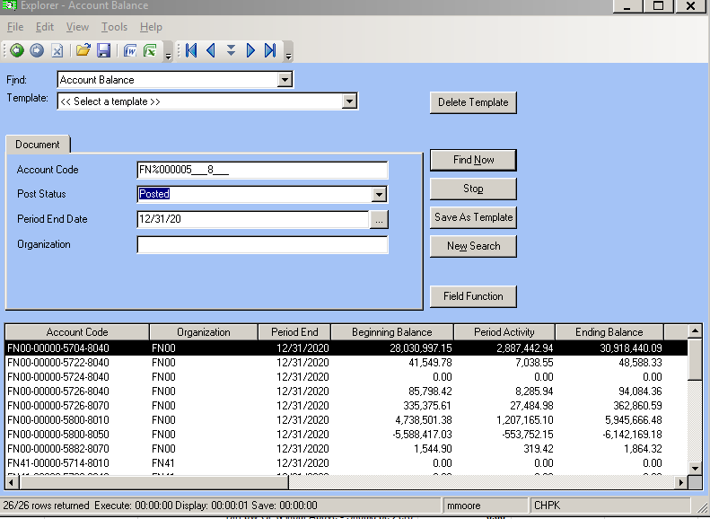
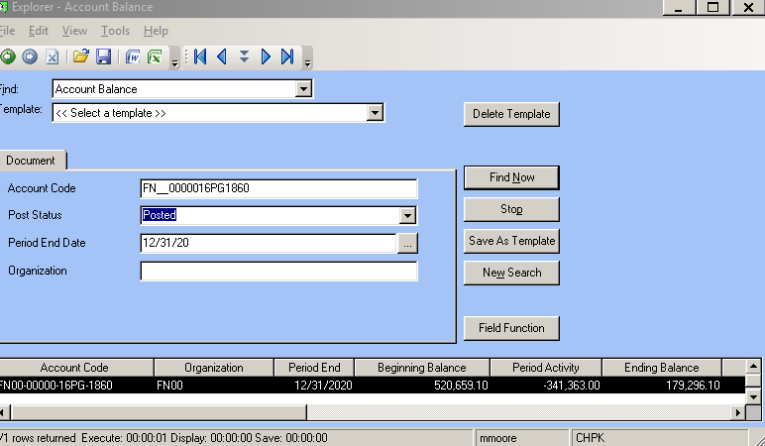

 | FN%000005___8___ |  |  | Total of GL Exp Above | 3,583,984.78
 |  |  |  | Diff bw GL & Input Above - Should be Zero | 0.00

