Deferred Rev Bdgt_2025
2025- Metro-Link 2530800 Fiber Optic Deferred Revenue Budget

Contract | 2024 | Contract Renewal Month | Contract Lease Period | 2025 Budget Amount | Amortization | SAP Account | Fiber vs Non-Fiber | Contract |  | 1.50% | Going to use 1.5% for any items without inflation adjustment for 2025 |  | SAP Account | January | February | March | April | May | June | July | August | September | October | November | December | Total
AT&T Local Services |  |  |  |  |  |  |  |  |  |  |  |  | Amortization | -$174,981.90 | -$174,981.90 | -$174,981.90 | -$174,981.90 | -$174,981.90 | -$174,981.90 | -$174,981.90 | -$174,981.90 | -$174,981.90 | -$174,981.90 | -$174,981.90 | -$174,981.90 | -$2,099,782.76
Drak Fiber Lease | $250,000.00 | January | 1/5/xx - 1/4/xx | $250,000.00 |  | 4540800 | Fiber | 3000000355 |  |  |  |  | Payments | $335,965.00 | $211,253.86 | $207,462.56 | $87,070.67 |  | $670,706.70 |  |  | $255,813.90 | $288,970.80 |  | $60,901.69 | $2,118,145.18
Conduit Lease | $80,000.00 |  |  | $80,000.00 |  | 4540800 | Non-Fiber | 3000000355
Pole Attachments | $1,000.00 |  |  | $1,000.00 |  | 4540081 | Non-Fiber | 3000000355 |  |  |  |  | 2530800 | $160,983.10 | $36,271.97 | $32,480.66 | -$87,911.23 | -$174,981.90 | $495,724.80 | -$174,981.90 | -$174,981.90 | $80,832.00 | $113,988.90 | -$174,981.90 | -$114,080.20 | $18,362.41
Total | $331,000.00 | 0 |  | $335,965.00 | $335,965.00 |  |  |  | 1.50%
Verizon (formerly MCImetro/ICI) |  |  |  |  |  |  |  |  |  |  |  | Monthly Activity
Dark Fiber Lease | $47,167.80 | February | 2/13/xx - 2/12/xx | $48,032.54 |  | 4540800 | Fiber | 300000149
Conduit Lease | $131,686.87 |  |  | $134,101.13 |  | 4540800 | Non-Fiber | 300000149
Collocation | $20,003.83 |  |  | $20,370.56 |  | 4540800 | Non-Fiber | 300000149
Pole Attachments | $8,592.11 |  |  | $8,749.63 |  | 4540081 | Non-Fiber | 300000149
Total | $207,450.60 | 0.16666666667 |  | $211,253.86 | $210,619.99 |  |  |  | 1.83%
Verizon (formerly MFS)
Dark Fiber Lease | $27,942.97 | March | 3/25/xx - 3/24/xx | $27,942.97 |  | 4540800 | Fiber | 300000156
Conduit Lease | $175,261.32 |  |  | $175,261.32 |  | 4540800 | Non-Fiber | 300000157
Pole Attachments | $1,192.32 |  |  | $1,192.32 |  | 4540081 | Non-Fiber | 300000157
Total | $204,396.61 | 0.25 |  | $207,462.56 | $206,696.07 |  |  |  | 1.50%
Level 3 (EPIK)
Conduit Lease | $85,154.69 | April | 4/1/xx - 3/31/xx | $87,070.67 |  | 4540800 | Non-Fiber | 300000365
Total | $85,154.69 | 0.25 |  | $87,070.67 | $86,591.67 |  |  |  | 2.25%
CenturyLink/Level 3 (PTC)
Dark Fiber Lease | $651,698.82 | June | 6/15/xx - 6/14/xx | $670,706.70 |  | 4540800 | Fiber | 300000357
Total | $651,698.82 | 0.5 |  | $670,706.70 | $661,202.76 |  |  |  | 2.92%
Mosaic
Dark Fiber Lease | $192,703.00 | September | 9/1/xx - 8/31/xx | $192,703.00 |  | 4540800 | Fiber | 300000360
Total | $192,703.00 | 0.66666666667 |  | $195,593.55 | $193,666.52 |  |  |  | 1.50%
Verizon (formerly MCImetro Access)
Conduit Lease | $59,090.40 | September | 9/13/xx - 9/12/xx | $59,090.40 |  | 4540800 | Non-Fiber | 300000150
Pole Attachments | $240.00 |  |  | $240.00 |  | 4540081 | Non-Fiber | 300000150
Total | $59,330.40 | 0.66666666667 |  | $60,220.36 | $59,627.05 |  |  |  | 1.50%
Sprint
Dark Fiber Lease | $109,913.14 | October | 10/15/xx - 10/14/xx | $110,600.10 |  | 4540800 | Fiber | 300000132
Total | $109,913.14 | 0.83333333333 |  | $111,561.84 | $110,187.92 |  |  |  | 1.50%
FPL FiberNet
Dark Fiber Lease | $139,405.85 | October | 10/15/xx - 10/14/xx | $139,405.85 |  | 4540800 | Fiber | 300000135
Collocation | $35,381.30 |  |  | $35,381.30 |  | 4540800 | Non-Fiber | 300000135
Total | $174,787.15 | 0.83333333333 |  | $177,408.96 | $175,224.12 |  |  |  | 1.50%
Verizon (formerly MCI Long Distance)
Dark Fiber Lease | $60,001.67 | December | 12/17/xx - 12/16/xx | $60,151.67 |  | 4540800 | Fiber | 300000351
Total | $60,001.67 | 1 |  | $60,901.69 | $60,001.67 |  |  |  | 1.50%

 | $2,076,436.07 |  |  | $2,118,145.18 | $2,099,782.76

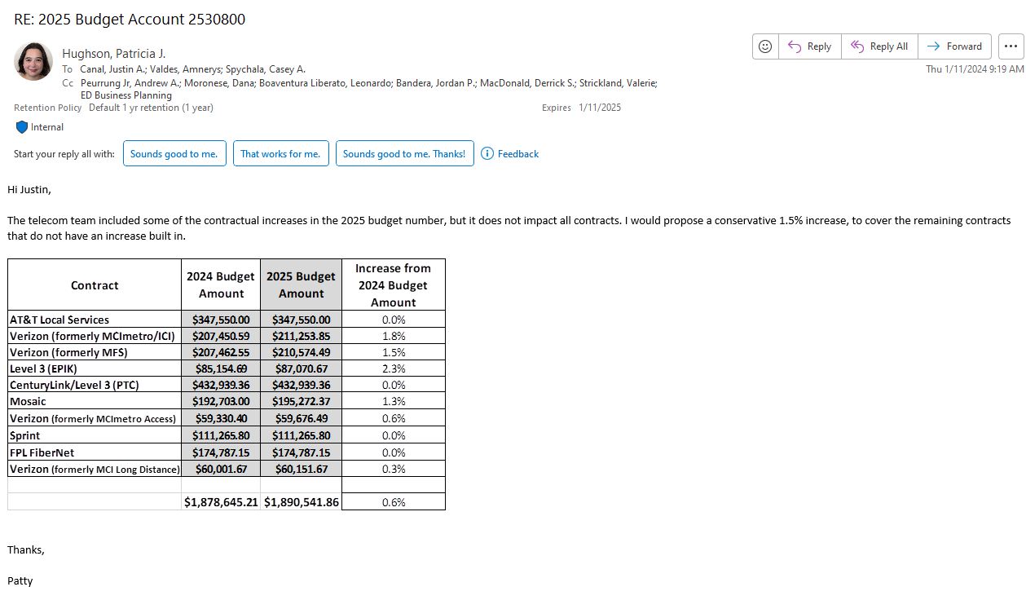

2022 FERC TB
Report Type>>> | TRIAL_BALANCE
Select Category>>> | ACTUAL | ACTUAL
Select Entity>>> | E_2201 | Tampa Electric
Select Time>>> | 2022.TOTAL | 2022 TOTAL
ADDITIONAL DETAIL Y/N>>> | FULL
 | Tampa Electric
 |  |  | NOTE - PLEASE RUN A REFRESH IF YOU CHANGE THIS SETTING.
REFRESH
 |  |  | NOTE - BEFORE STARTING ANY WORK ON THIS TAB, PLEASE RUN A REFRESH

 |  | ACTUAL | ACTUAL | ACTUAL | ACTUAL | ACTUAL | ACTUAL | ACTUAL | ACTUAL | ACTUAL | ACTUAL | ACTUAL | ACTUAL | ACTUAL | ACTUAL
ACCOUNT ID | ACCOUNT DESCRIPTION | 2021.DEC | 2022 JAN | 2022 FEB | 2022 MAR | 2022 APR | 2022 MAY | 2022 JUN | 2022 JUL | 2022 AUG | 2022 SEP | 2022 OCT | 2022 NOV | 2022 DEC | 2022 TOTAL

A_9101000 | Utility Plant in Service | 9,441,135,031.29 | 9,441,323,772.42 | 9,449,200,095.93 | 9,643,818,063.39 | 9,648,825,963.96 | 9,671,031,772.77 | 9,725,235,554.21 | 9,826,318,020.91 | 9,832,467,950.55 | 9,896,040,488.66 | 9,922,670,897.33 | 9,951,979,501.06 | 10,039,841,645.94 | 10,039,841,645.94
A_9101100 | Property Under Capital Leases | 27,433,495.02 | 27,400,981.51 | 27,366,774.77 | 26,932,859.15 | 26,898,611.43 | 26,864,343.10 | 26,422,271.08 | 26,387,961.30 | 26,353,627.58 | 25,907,563.60 | 25,873,181.75 | 25,838,775.69 | 25,388,678.70 | 25,388,678.70
A_9102000 | Plant Purchased or Sold | 14,933.73 | 33,357.17 | 1,144,068.75 | 1,145,909.54 | 1,147,365.14 | 1,156,927.64 | 1,164,553.89 | 1,190,190.85 | 1,322,174.24 | 1,316,649.47 | 1,316,832.43 | 216,993.81 | 218,909.87 | 218,909.87
A_9105000 | Plant Held for Future Use | 54,564,529.46 | 54,562,029.46 | 54,562,029.46 | 54,562,029.46 | 63,660,794.23 | 54,569,015.41 | 54,569,597.91 | 54,569,597.91 | 54,570,472.91 | 54,570,472.91 | 54,570,472.91 | 54,570,472.91 | 54,570,735.41 | 54,570,735.41
A_9106000 | Completed Construction Not Classified | 893,385,836.72 | 955,770,118.69 | 971,791,906.18 | 798,707,327.89 | 993,681,079.49 | 1,006,642,223.90 | 1,012,527,076.67 | 927,018,924.18 | 953,998,310.43 | 917,261,400.42 | 916,433,218.07 | 939,731,511.74 | 1,535,981,028.80 | 1,535,981,028.80
A_9107000 | Construction Work in Progress | 1,162,722,932.20 | 1,153,841,679.85 | 1,194,575,257.74 | 1,230,126,523.79 | 1,078,738,784.66 | 1,116,298,769.71 | 1,135,548,207.31 | 1,189,964,253.41 | 1,246,053,545.26 | 1,317,037,551.07 | 1,378,041,537.61 | 1,418,264,293.60 | 894,768,621.67 | 894,768,621.67
A_9108000 | Accumulated Provision for Depreciation | (3,102,336,793.23) | (3,121,256,440.92) | (3,140,321,993.88) | (3,152,982,186.65) | (3,178,451,611.78) | (3,201,160,655.38) | (3,221,118,012.10) | (3,224,460,178.72) | (3,241,270,922.78) | (3,264,070,872.67) | (3,286,260,228.49) | (3,307,523,007.57) | (3,317,745,810.60) | (3,317,745,810.60)
A_9111000 | Accumulated Provision For Amortization | (100,016,962.59) | (102,303,252.25) | (104,592,383.37) | (106,889,828.65) | (109,194,914.31) | (111,520,743.02) | (113,856,393.45) | (116,317,657.16) | (118,802,626.09) | (121,289,230.99) | (123,779,554.17) | (126,281,404.79) | (128,784,270.10) | (128,784,270.10)
A_9114000 | Plant Acquisition Adjustments | 7,484,822.76 | 7,484,822.76 | 7,484,822.76 | 7,484,822.76 | 7,484,822.76 | 7,484,822.76 | 7,484,822.76 | 7,484,822.76 | 7,484,822.76 | 7,484,822.76 | 7,484,822.76 | 7,484,822.76 | 7,484,822.76 | 7,484,822.76
A_9115000 | Accum Provision Amort Plant Acquisition Adjustment | (6,173,240.01) | (6,192,965.72) | (6,212,691.46) | (6,232,417.17) | (6,252,142.91) | (6,271,868.62) | (6,291,594.36) | (6,311,320.07) | (6,331,045.81) | (6,350,771.52) | (6,370,497.25) | (6,390,222.97) | (6,409,948.71) | (6,409,948.71)
A_9121000 | Nonutility Property | 14,053,702.87 | 14,159,494.50 | 14,181,832.25 | 14,306,443.52 | 14,278,261.07 | 14,407,837.88 | 14,420,579.35 | 14,582,355.28 | 14,658,213.90 | 14,721,739.48 | 14,811,663.42 | 15,084,901.87 | 20,099,786.54 | 20,099,786.54
A_9122000 | Accum Provision Depr Amortiz Nonutility Property | (7,167,421.58) | (7,252,374.71) | (7,339,986.59) | (7,411,003.11) | (7,384,096.05) | (7,411,166.35) | (7,460,942.24) | (7,470,046.98) | (7,472,847.13) | (7,548,486.18) | (7,626,752.70) | (7,635,337.41) | (7,709,451.34) | (7,709,451.34)
A_9131000 | Cash | 14,661,046.68 | 12,270,254.12 | 16,219,229.39 | 16,023,334.80 | 11,459,835.93 | 23,861,598.04 | 7,558,984.44 | 56,130,939.44 | 105,239,919.38 | 81,208,264.45 | 15,334,503.29 | 15,222,128.66 | 9,902,835.00 | 9,902,835.00
A_9135000 | Working Funds | 52,065.39 | 52,065.39 | 52,065.39 | 52,065.39 | 52,065.39 | 52,065.39 | 52,065.39 | 52,065.39 | 52,065.39 | 52,065.39 | 51,065.39 | 51,065.39 | 51,065.39 | 51,065.39
A_9142000 | Customer Accounts Receivable | 138,526,312.14 | 144,569,854.24 | 148,100,376.98 | 128,100,090.40 | 144,854,672.75 | 161,993,840.28 | 184,262,725.92 | 210,915,053.71 | 191,176,009.78 | 218,163,252.95 | 185,514,310.53 | 169,543,159.29 | 163,872,375.48 | 163,872,375.48
A_9143000 | Other Accounts Receivable | 3,500,846.52 | 10,687,502.86 | 5,771,193.18 | 4,523,355.52 | 6,430,425.26 | 10,925,661.84 | 11,866,646.28 | 9,046,022.13 | 9,484,290.93 | 10,148,190.14 | 5,535,854.63 | 5,173,767.48 | 16,710,606.97 | 16,710,606.97
...

253 Summary
Debit | Credit |  | Ending Balance |  | Criteria
1,799,277.72 | (1,799,278.00) |  | 3,019.09 |  | Account 2530120 with PC P02001 | Blank Items
150,087,809.92 | (142,018,386.40) |  | (8,814,878.28) |  | Accounts 2530130, 2530299 & 2530300 | 2530301 |  | Other Deferred Credits - Calpine | 431
667.43 | (103,925.30) |  | (663,154.53) |  | Account 2530302 | 2530350 |  | Directors Fees | 930
1,066,617.60 | (1,084,971.87) |  | 19,372.92 |  | Account 2530310 | 2530800 | 1307 | Deferred Revenue - GTE FCU | 418
20,441,820.08 | (19,719,579.54) |  | (4,405,550.99) |  | Account 2530340 | 2530800 |  | VPEM BayGas | 151
- | (10,327.19) |  | - |  | Account 2530800 (Should be 0) | 2530800 |  | Restricted Stock | 926
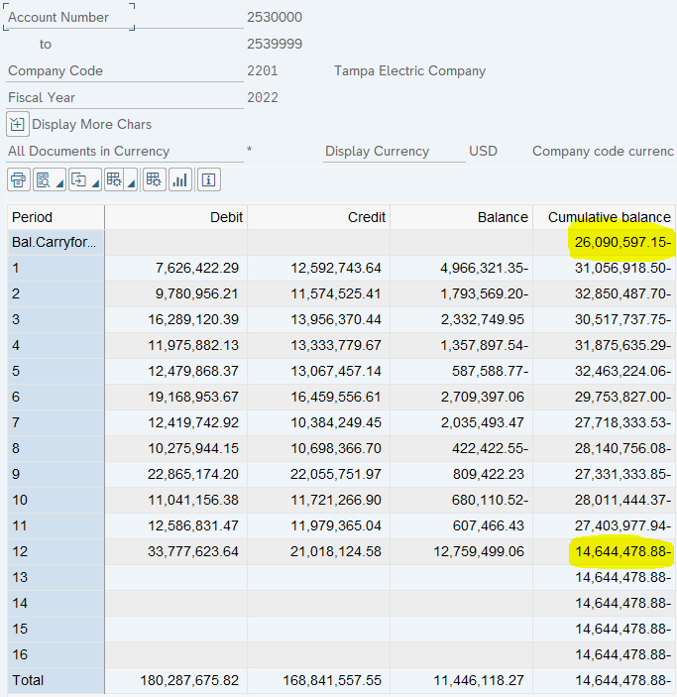
12,147.48 | - |  | - |  | Account 2530800 (Should be 0)
22,661.00 | - |  | - |  | Account 2530800 (Should be 0)
2,085,909.25 | (2,086,582.43) |  | (774,810.31) |  | Account 2530800
4,770,765.34 | (2,018,506.82) |  | (8,476.78) |  | Account 2530800
180,287,675.82 | (168,841,557.55) |  | (14,644,478.88)

 |  | Chk | (14,644,478.88)
 |  | Var | (0.00)

 |  |  | % of Balance
 |  |  | 0% | Group into Misc
 |  |  | 60%
 |  |  | 5%
 |  |  | 0% | Group into Misc
 |  |  | 30%
 |  |  | 0% | Group into Misc
 |  |  | 0% | Group into Misc
 |  |  | 0% | Group into Misc
 |  |  | 5%
 |  |  | 0%
...

253 FERD - 22 Activity
